Plate 1
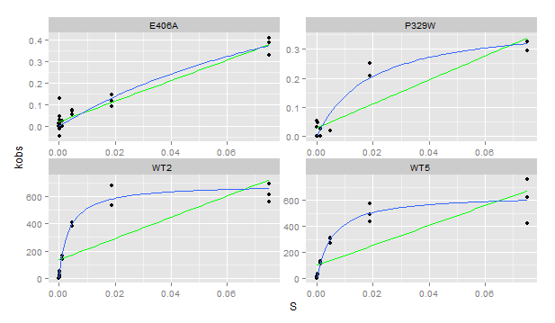
Plate | Sample | Yield | Dilution | Well | Max V [420] | kobs | S | Vmax correction per [S] | kcat | km | kcat/km | notes
1 | E406A | 0.567 | 0.1 | A1 | 2.07E-04 | 0.3304626 | 0.07500 | 4.81E-07 | 0.96965 |  | 5.035548257 | linear fit
1 | E406A | 0.567 | 0.1 | B1 | 9.09E-05 | 0.1453648 | 0.01875 | 3.83E-07 |  |  | 5.035548257 | linear fit
1 | E406A | 0.567 | 0.1 | C1 | 4.73E-05 | 0.0755897 | 0.00469 | 2.90E-07 |  |  | 5.035548257 | linear fit
1 | E406A | 0.567 | 0.1 | D1 | -2.05E-17 | 0.0000000 | 0.00117 | 2.78E-07 |  |  | 5.035548257 | linear fit
1 | E406A | 0.567 | 0.1 | E1 | 8.23E-05 | 0.1315205 | 0.00029 | 1.57E-07 |  |  | 5.035548257 | linear fit
1 | E406A | 0.567 | 0.1 | F1 | 2.79E-05 | 0.0445785 | 0.00007 | 4.12E-07 |  |  | 5.035548257 | linear fit
1 | E406A | 0.567 | 0.1 | G1 | -8.18E-06 | -0.0130828 | 0.00002 | 3.65E-07 |  |  | 5.035548257 | linear fit
1 | E406A | 0.567 | 0.1 | H1 | 9.09E-06 | 0.0145365 | 0.00000 | 4.26E-07 |  |  | 5.035548257 | linear fit
1 | E406A | 0.567 | 0.1 | A2 | 2.57E-04 | 0.4108977 | 0.07500 | 4.81E-07 |  |  | 5.035548257 | linear fit
1 | E406A | 0.567 | 0.1 | B2 | 7.39E-05 | 0.1182300 | 0.01875 | 3.83E-07 |  |  | 5.035548257 | linear fit
1 | E406A | 0.567 | 0.1 | C2 | 4.42E-05 | 0.0707442 | 0.00469 | 2.90E-07 |  |  | 5.035548257 | linear fit
1 | E406A | 0.567 | 0.1 | D2 | -9.03E-05 | -0.1443957 | 0.00117 | 2.78E-07 |  |  | 5.035548257 | linear fit
1 | E406A | 0.567 | 0.1 | E2 | -6.48E-05 | -0.1036935 | 0.00029 | 1.57E-07 |  |  | 5.035548257 | linear fit
1 | E406A | 0.567 | 0.1 | F2 | -2.85E-05 | -0.0455476 | 0.00007 | 4.12E-07 |  |  | 5.035548257 | linear fit
1 | E406A | 0.567 | 0.1 | G2 | 1.05E-05 | 0.0167137 | 0.00002 | 3.65E-07 |  |  | 5.035548257 | linear fit
1 | E406A | 0.567 | 0.1 | H2 | 1.78E-17 | 0.0000000 | 0.00000 | 4.26E-07 |  |  | 5.035548257 | linear fit
1 | E406A | 0.567 | 0.1 | A3 | 2.44E-04 | 0.3895775 | 0.07500 | 4.81E-07 |  |  | 5.035548257 | linear fit
1 | E406A | 0.567 | 0.1 | B3 | 5.88E-05 | 0.0940025 | 0.01875 | 3.83E-07 |  |  | 5.035548257 | linear fit
1 | E406A | 0.567 | 0.1 | C3 | 3.52E-05 | 0.0562077 | 0.00469 | 2.90E-07 |  |  | 5.035548257 | linear fit
1 | E406A | 0.567 | 0.1 | D3 | 1.52E-05 | 0.0242275 | 0.00117 | 2.78E-07 |  |  | 5.035548257 | linear fit
1 | E406A | 0.567 | 0.1 | E3 | 5.45E-06 | 0.0087192 | 0.00029 | 1.57E-07 |  |  | 5.035548257 | linear fit
1 | E406A | 0.567 | 0.1 | F3 | 1.88E-05 | 0.0300716 | 0.00007 | 4.12E-07 |  |  | 5.035548257 | linear fit
1 | E406A | 0.567 | 0.1 | G3 | -5.08E-06 | -0.0081259 | 0.00002 | 3.65E-07 |  |  | 5.035548257 | linear fit
1 | E406A | 0.567 | 0.1 | H3 | 1.70E-17 | 0.0000000 | 0.00000 | 4.26E-07 |  |  | 5.035548257 | linear fit
1 | P329W | 0.465 | 0.1 | A4 | 1.04E-04 | 0.2032481 | 0.07500 | 4.81E-07 | 0.37325898 | 0.02497884 | 14.94300696 | check data- curve has outliers
1 | P329W | 0.465 | 0.1 | B4 | 1.30E-04 | 0.2528784 | 0.01875 | 3.83E-07 | 0.37325898 | 0.02497884 | 14.94300696 | check data- curve has outliers
1 | P329W | 0.465 | 0.1 | C4 | 9.26E-06 | 0.0180623 | 0.00469 | 2.90E-07 | 0.37325898 | 0.02497884 | 14.94300696 | check data- curve has outliers
1 | P329W | 0.465 | 0.1 | D4 | 1.23E-05 | 0.0240555 | 0.00117 | 2.78E-07 | 0.37325898 | 0.02497884 | 14.94300696 | check data- curve has outliers
1 | P329W | 0.465 | 0.1 | E4 | 1.76E-04 | 0.3438674 | 0.00029 | 1.57E-07 | 0.37325898 | 0.02497884 | 14.94300696 | check data- curve has outliers
1 | P329W | 0.465 | 0.1 | F4 | -4.45E-17 | 0.0000000 | 0.00007 | 4.12E-07 | 0.37325898 | 0.02497884 | 14.94300696 | check data- curve has outliers
1 | P329W | 0.465 | 0.1 | G4 | -1.88E-05 | -0.0366319 | 0.00002 | 3.65E-07 | 0.37325898 | 0.02497884 | 14.94300696 | check data- curve has outliers
1 | P329W | 0.465 | 0.1 | H4 | 4.85E-17 | 0.0000000 | 0.00000 | 4.26E-07 | 0.37325898 | 0.02497884 | 14.94300696 | check data- curve has outliers
1 | P329W | 0.465 | 0.1 | A5 | 1.51E-04 | 0.2942370 | 0.07500 | 4.81E-07 | 0.37325898 | 0.02497884 | 14.94300696 | check data- curve has outliers
1 | P329W | 0.465 | 0.1 | B5 | 4.61E-05 | 0.0898073 | 0.01875 | 3.83E-07 | 0.37325898 | 0.02497884 | 14.94300696 | check data- curve has outliers
1 | P329W | 0.465 | 0.1 | C5 | -2.23E-17 | 0.0000000 | 0.00469 | 2.90E-07 | 0.37325898 | 0.02497884 | 14.94300696 | check data- curve has outliers
1 | P329W | 0.465 | 0.1 | D5 | -3.46E-17 | 0.0000000 | 0.00117 | 2.78E-07 | 0.37325898 | 0.02497884 | 14.94300696 | check data- curve has outliers
1 | P329W | 0.465 | 0.1 | E5 | 2.42E-05 | 0.0472670 | 0.00029 | 1.57E-07 | 0.37325898 | 0.02497884 | 14.94300696 | check data- curve has outliers
1 | P329W | 0.465 | 0.1 | F5 | 2.71E-05 | 0.0527533 | 0.00007 | 4.12E-07 | 0.37325898 | 0.02497884 | 14.94300696 | check data- curve has outliers
1 | P329W | 0.465 | 0.1 | G5 | 8.90E-06 | 0.0173558 | 0.00002 | 3.65E-07 | 0.37325898 | 0.02497884 | 14.94300696 | check data- curve has outliers
1 | P329W | 0.465 | 0.1 | H5 | -9.55E-18 | 0.0000000 | 0.00000 | 4.26E-07 | 0.37325898 | 0.02497884 | 14.94300696 | check data- curve has outliers
1 | P329W | 0.465 | 0.1 | A6 | 1.67E-04 | 0.3261423 | 0.07500 | 4.81E-07 | 0.37325898 | 0.02497884 | 14.94300696 | check data- curve has outliers
1 | P329W | 0.465 | 0.1 | B6 | 1.06E-04 | 0.2067931 | 0.01875 | 3.83E-07 | 0.37325898 | 0.02497884 | 14.94300696 | check data- curve has outliers
1 | P329W | 0.465 | 0.1 | C6 | 1.52E-05 | 0.0295419 | 0.00469 | 2.90E-07 | 0.37325898 | 0.02497884 | 14.94300696 | check data- curve has outliers
1 | P329W | 0.465 | 0.1 | D6 | 1.31E-17 | 0.0000000 | 0.00117 | 2.78E-07 | 0.37325898 | 0.02497884 | 14.94300696 | check data- curve has outliers
1 | P329W | 0.465 | 0.1 | E6 | -8.96E-18 | 0.0000000 | 0.00029 | 1.57E-07 | 0.37325898 | 0.02497884 | 14.94300696 | check data- curve has outliers
1 | P329W | 0.465 | 0.1 | F6 | 1.58E-05 | 0.0307235 | 0.00007 | 4.12E-07 | 0.37325898 | 0.02497884 | 14.94300696 | check data- curve has outliers
1 | P329W | 0.465 | 0.1 | G6 | -2.61E-05 | -0.0508120 | 0.00002 | 3.65E-07 | 0.37325898 | 0.02497884 | 14.94300696 | check data- curve has outliers
1 | P329W | 0.465 | 0.1 | H6 | -8.52E-06 | -0.0166038 | 0.00000 | 4.26E-07 | 0.37325898 | 0.02497884 | 14.94300696 | check data- curve has outliers
1 | WT5 | 1.262 | 0.01 | A7 | 5.89E-02 | 422.9549812 | 0.07500 | 4.81E-07 | 6.45E+02 | 5.43E-03 | 1.19E+05
1 | WT5 | 1.262 | 0.01 | B7 | 7.97E-02 | 572.4114745 | 0.01875 | 3.83E-07 | 6.45E+02 | 5.43E-03 | 1.19E+05
1 | WT5 | 1.262 | 0.01 | C7 | 4.23E-02 | 303.5456655 | 0.00469 | 2.90E-07 | 6.45E+02 | 5.43E-03 | 1.19E+05
1 | WT5 | 1.262 | 0.01 | D7 | 1.84E-02 | 132.3582040 | 0.00117 | 2.78E-07 | 6.45E+02 | 5.43E-03 | 1.19E+05
1 | WT5 | 1.262 | 0.01 | E7 | 4.54E-03 | 32.6465288 | 0.00029 | 1.57E-07 | 6.45E+02 | 5.43E-03 | 1.19E+05
1 | WT5 | 1.262 | 0.01 | F7 | 1.37E-03 | 9.8705897 | 0.00007 | 4.12E-07 | 6.45E+02 | 5.43E-03 | 1.19E+05
1 | WT5 | 1.262 | 0.01 | G7 | 3.62E-04 | 2.6037109 | 0.00002 | 3.65E-07 | 6.45E+02 | 5.43E-03 | 1.19E+05
1 | WT5 | 1.262 | 0.01 | H7 | 2.91E-05 | 0.2089935 | 0.00000 | 4.26E-07 | 6.45E+02 | 5.43E-03 | 1.19E+05
1 | WT5 | 1.262 | 0.01 | A8 | 1.06E-01 | 759.2951949 | 0.07500 | 4.81E-07 | 6.45E+02 | 5.43E-03 | 1.19E+05
1 | WT5 | 1.262 | 0.01 | B8 | 6.85E-02 | 491.8357627 | 0.01875 | 3.83E-07 | 6.45E+02 | 5.43E-03 | 1.19E+05
1 | WT5 | 1.262 | 0.01 | C8 | 4.35E-02 | 312.1710016 | 0.00469 | 2.90E-07 | 6.45E+02 | 5.43E-03 | 1.19E+05
1 | WT5 | 1.262 | 0.01 | D8 | 1.55E-02 | 111.2629255 | 0.00117 | 2.78E-07 | 6.45E+02 | 5.43E-03 | 1.19E+05
1 | WT5 | 1.262 | 0.01 | E8 | 4.99E-03 | 35.8685125 | 0.00029 | 1.57E-07 | 6.45E+02 | 5.43E-03 | 1.19E+05
1 | WT5 | 1.262 | 0.01 | F8 | 1.34E-03 | 9.6441797 | 0.00007 | 4.12E-07 | 6.45E+02 | 5.43E-03 | 1.19E+05
1 | WT5 | 1.262 | 0.01 | G8 | 3.15E-04 | 2.2640965 | 0.00002 | 3.65E-07 | 6.45E+02 | 5.43E-03 | 1.19E+05
1 | WT5 | 1.262 | 0.01 | H8 | 7.46E-18 | 0.0000000 | 0.00000 | 4.26E-07 | 6.45E+02 | 5.43E-03 | 1.19E+05
1 | WT5 | 1.262 | 0.01 | A9 | 8.67E-02 | 622.5655636 | 0.07500 | 4.81E-07 | 6.45E+02 | 5.43E-03 | 1.19E+05
1 | WT5 | 1.262 | 0.01 | B9 | 6.07E-02 | 435.8821015 | 0.01875 | 3.83E-07 | 6.45E+02 | 5.43E-03 | 1.19E+05
1 | WT5 | 1.262 | 0.01 | C9 | 3.76E-02 | 270.4201937 | 0.00469 | 2.90E-07 | 6.45E+02 | 5.43E-03 | 1.19E+05
1 | WT5 | 1.262 | 0.01 | D9 | 1.61E-02 | 115.8564292 | 0.00117 | 2.78E-07 | 6.45E+02 | 5.43E-03 | 1.19E+05
1 | WT5 | 1.262 | 0.01 | E9 | 3.99E-03 | 28.6364658 | 0.00029 | 1.57E-07 | 6.45E+02 | 5.43E-03 | 1.19E+05
1 | WT5 | 1.262 | 0.01 | F9 | 1.07E-03 | 7.6935739 | 0.00007 | 4.12E-07 | 6.45E+02 | 5.43E-03 | 1.19E+05
1 | WT5 | 1.262 | 0.01 | G9 | 2.79E-04 | 2.0072086 | 0.00002 | 3.65E-07 | 6.45E+02 | 5.43E-03 | 1.19E+05
1 | WT5 | 1.262 | 0.01 | H9 | -1.76E-05 | -0.1262669 | 0.00000 | 4.26E-07 | 6.45E+02 | 5.43E-03 | 1.19E+05
1 | WT2 | 0.878 | 0.01 | A10 | 5.93E-02 | 612.8253094 | 0.07500 | 4.81E-07 | 691.06139501 | 0.00345856 | 199811.8856
1 | WT2 | 0.878 | 0.01 | B10 | 6.63E-02 | 684.3639348 | 0.01875 | 3.83E-07 | 691.06139501 | 0.00345856 | 199811.8856
1 | WT2 | 0.878 | 0.01 | C10 | 3.69E-02 | 380.5359631 | 0.00469 | 2.90E-07 | 691.06139501 | 0.00345856 | 199811.8856
1 | WT2 | 0.878 | 0.01 | D10 | 1.40E-02 | 144.6919064 | 0.00117 | 2.78E-07 | 691.06139501 | 0.00345856 | 199811.8856
1 | WT2 | 0.878 | 0.01 | E10 | 4.80E-03 | 49.5344488 | 0.00029 | 1.57E-07 | 691.06139501 | 0.00345856 | 199811.8856
1 | WT2 | 0.878 | 0.01 | F10 | 2.57E-03 | 26.5101608 | 0.00007 | 4.12E-07 | 691.06139501 | 0.00345856 | 199811.8856
1 | WT2 | 0.878 | 0.01 | G10 | 2.81E-04 | 2.8975931 | 0.00002 | 3.65E-07 | 691.06139501 | 0.00345856 | 199811.8856
1 | WT2 | 0.878 | 0.01 | H10 | 2.00E-05 | 0.2065239 | 0.00000 | 4.26E-07 | 691.06139501 | 0.00345856 | 199811.8856
1 | WT2 | 0.878 | 0.01 | A11 | 5.46E-02 | 564.0606238 | 0.07500 | 4.81E-07 | 691.06139501 | 0.00345856 | 199811.8856
1 | WT2 | 0.878 | 0.01 | B11 | 6.58E-02 | 679.8579650 | 0.01875 | 3.83E-07 | 691.06139501 | 0.00345856 | 199811.8856
1 | WT2 | 0.878 | 0.01 | C11 | 3.94E-02 | 407.2338779 | 0.00469 | 2.90E-07 | 691.06139501 | 0.00345856 | 199811.8856
1 | WT2 | 0.878 | 0.01 | D11 | 1.34E-02 | 138.8842060 | 0.00117 | 2.78E-07 | 691.06139501 | 0.00345856 | 199811.8856
1 | WT2 | 0.878 | 0.01 | E11 | 4.28E-03 | 44.2461850 | 0.00029 | 1.57E-07 | 691.06139501 | 0.00345856 | 199811.8856
1 | WT2 | 0.878 | 0.01 | F11 | 1.05E-03 | 10.8268594 | 0.00007 | 4.12E-07 | 691.06139501 | 0.00345856 | 199811.8856
1 | WT2 | 0.878 | 0.01 | G11 | 2.67E-04 | 2.7599106 | 0.00002 | 3.65E-07 | 691.06139501 | 0.00345856 | 199811.8856
1 | WT2 | 0.878 | 0.01 | H11 | 7.54E-06 | 0.0778732 | 0.00000 | 4.26E-07 | 691.06139501 | 0.00345856 | 199811.8856
1 | WT2 | 0.878 | 0.01 | A12 | 6.69E-02 | 691.3231713 | 0.07500 | 4.81E-07 | 691.06139501 | 0.00345856 | 199811.8856
1 | WT2 | 0.878 | 0.01 | B12 | 5.21E-02 | 537.6944070 | 0.01875 | 3.83E-07 | 691.06139501 | 0.00345856 | 199811.8856
1 | WT2 | 0.878 | 0.01 | C12 | 3.95E-02 | 408.3228166 | 0.00469 | 2.90E-07 | 691.06139501 | 0.00345856 | 199811.8856
1 | WT2 | 0.878 | 0.01 | D12 | 1.58E-02 | 163.4542946 | 0.00117 | 2.78E-07 | 691.06139501 | 0.00345856 | 199811.8856
1 | WT2 | 0.878 | 0.01 | E12 | 4.50E-03 | 46.4428488 | 0.00029 | 1.57E-07 | 691.06139501 | 0.00345856 | 199811.8856
1 | WT2 | 0.878 | 0.01 | F12 | 1.39E-03 | 14.3878326 | 0.00007 | 4.12E-07 | 691.06139501 | 0.00345856 | 199811.8856
1 | WT2 | 0.878 | 0.01 | G12 | 2.25E-04 | 2.3280878 | 0.00002 | 3.65E-07 | 691.06139501 | 0.00345856 | 199811.8856
1 | WT2 | 0.878 | 0.01 | H12 | 2.52E-05 | 0.2602916 | 0.00000 | 4.26E-07 | 691.06139501 | 0.00345856 | 199811.8856

Plate 2
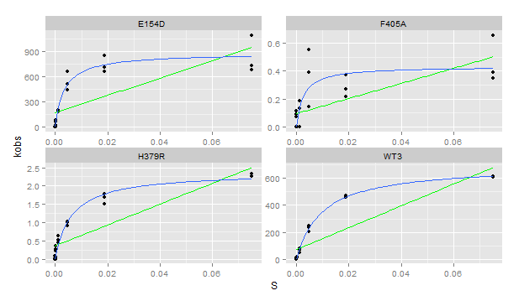
Plate | Sample | Yield | Dilution | Well | Max V [420] | kobs | S | Vmax correction per [S] | kcat | km | kcat/km | notes
2.00E+00 | F405A | 1.13E-01 | 1.00E-01 | A1 | 4.36E-05 | 3.50E-01 | 7.50E-02 | 4.81E-07 | 4.33E-01 | 2.56E-03 | 1.69E+02 | check data
2.00E+00 | F405A | 1.13E-01 | 1.00E-01 | B1 | 3.39E-05 | 2.72E-01 | 1.88E-02 | 3.83E-07 | 4.33E-01 | 2.56E-03 | 1.69E+02 | check data
2.00E+00 | F405A | 1.13E-01 | 1.00E-01 | C1 | 6.89E-05 | 5.53E-01 | 4.69E-03 | 2.90E-07 | 4.33E-01 | 2.56E-03 | 1.69E+02 | check data
2.00E+00 | F405A | 1.13E-01 | 1.00E-01 | D1 | 1.63E-05 | 1.31E-01 | 1.17E-03 | 2.78E-07 | 4.33E-01 | 2.56E-03 | 1.69E+02 | check data
2.00E+00 | F405A | 1.13E-01 | 1.00E-01 | E1 | 2.95E-17 | 2.37E-13 | 2.93E-04 | 1.57E-07 | 4.33E-01 | 2.56E-03 | 1.69E+02 | check data
2.00E+00 | F405A | 1.13E-01 | 1.00E-01 | F1 | 9.14E-06 | 7.33E-02 | 7.32E-05 | 4.12E-07 | 4.33E-01 | 2.56E-03 | 1.69E+02 | check data
2.00E+00 | F405A | 1.13E-01 | 1.00E-01 | G1 | -5.48E-18 | -4.40E-14 | 1.83E-05 | 3.65E-07 | 4.33E-01 | 2.56E-03 | 1.69E+02 | check data
2.00E+00 | F405A | 1.13E-01 | 1.00E-01 | H1 | 1.39E-05 | 1.12E-01 | 0.00E+00 | 4.26E-07 | 4.33E-01 | 2.56E-03 | 1.69E+02 | check data
2.00E+00 | F405A | 1.13E-01 | 1.00E-01 | A2 | 8.18E-05 | 6.56E-01 | 7.50E-02 | 4.81E-07 | 4.33E-01 | 2.56E-03 | 1.69E+02 | check data
2.00E+00 | F405A | 1.13E-01 | 1.00E-01 | B2 | 4.63E-05 | 3.71E-01 | 1.88E-02 | 3.83E-07 | 4.33E-01 | 2.56E-03 | 1.69E+02 | check data
2.00E+00 | F405A | 1.13E-01 | 1.00E-01 | C2 | 4.85E-05 | 3.89E-01 | 4.69E-03 | 2.90E-07 | 4.33E-01 | 2.56E-03 | 1.69E+02 | check data
2.00E+00 | F405A | 1.13E-01 | 1.00E-01 | D2 | 2.33E-05 | 1.87E-01 | 1.17E-03 | 2.78E-07 | 4.33E-01 | 2.56E-03 | 1.69E+02 | check data
2.00E+00 | F405A | 1.13E-01 | 1.00E-01 | E2 | 1.51E-17 | 1.21E-13 | 2.93E-04 | 1.57E-07 | 4.33E-01 | 2.56E-03 | 1.69E+02 | check data
2.00E+00 | F405A | 1.13E-01 | 1.00E-01 | F2 | -1.79E-17 | -1.43E-13 | 7.32E-05 | 4.12E-07 | 4.33E-01 | 2.56E-03 | 1.69E+02 | check data
2.00E+00 | F405A | 1.13E-01 | 1.00E-01 | G2 | -3.69E-17 | -2.96E-13 | 1.83E-05 | 3.65E-07 | 4.33E-01 | 2.56E-03 | 1.69E+02 | check data
2.00E+00 | F405A | 1.13E-01 | 1.00E-01 | H2 | -3.49E-17 | -2.80E-13 | 0.00E+00 | 4.26E-07 | 4.33E-01 | 2.56E-03 | 1.69E+02 | check data
2.00E+00 | F405A | 1.13E-01 | 1.00E-01 | A3 | 4.85E-05 | 3.89E-01 | 7.50E-02 | 4.81E-07 | 4.33E-01 | 2.56E-03 | 1.69E+02 | check data
2.00E+00 | F405A | 1.13E-01 | 1.00E-01 | B3 | 2.67E-05 | 2.14E-01 | 1.88E-02 | 3.83E-07 | 4.33E-01 | 2.56E-03 | 1.69E+02 | check data
2.00E+00 | F405A | 1.13E-01 | 1.00E-01 | C3 | 1.82E-05 | 1.46E-01 | 4.69E-03 | 2.90E-07 | 4.33E-01 | 2.56E-03 | 1.69E+02 | check data
2.00E+00 | F405A | 1.13E-01 | 1.00E-01 | D3 | -1.94E-17 | -1.56E-13 | 1.17E-03 | 2.78E-07 | 4.33E-01 | 2.56E-03 | 1.69E+02 | check data
2.00E+00 | F405A | 1.13E-01 | 1.00E-01 | E3 | -1.78E-17 | -1.43E-13 | 2.93E-04 | 1.57E-07 | 4.33E-01 | 2.56E-03 | 1.69E+02 | check data
2.00E+00 | F405A | 1.13E-01 | 1.00E-01 | F3 | -1.39E-18 | -1.12E-14 | 7.32E-05 | 4.12E-07 | 4.33E-01 | 2.56E-03 | 1.69E+02 | check data
2.00E+00 | F405A | 1.13E-01 | 1.00E-01 | G3 | -1.82E-17 | -1.46E-13 | 1.83E-05 | 3.65E-07 | 4.33E-01 | 2.56E-03 | 1.69E+02 | check data
2.00E+00 | F405A | 1.13E-01 | 1.00E-01 | H3 | 1.16E-05 | 9.32E-02 | 0.00E+00 | 4.26E-07 | 4.33E-01 | 2.56E-03 | 1.69E+02 | check data
2.00E+00 | WT3 | 2.10E+00 | 1.00E-02 | A4 | 1.43E-01 | 6.16E+02 | 7.50E-02 | 4.81E-07 | 6.96E+02 | 9.65E-03 | 7.21E+04
2.00E+00 | WT3 | 2.10E+00 | 1.00E-02 | B4 | 1.07E-01 | 4.64E+02 | 1.88E-02 | 3.83E-07 | 6.96E+02 | 9.65E-03 | 7.21E+04
2.00E+00 | WT3 | 2.10E+00 | 1.00E-02 | C4 | 5.68E-02 | 2.46E+02 | 4.69E-03 | 2.90E-07 | 6.96E+02 | 9.65E-03 | 7.21E+04
2.00E+00 | WT3 | 2.10E+00 | 1.00E-02 | D4 | 1.82E-02 | 7.86E+01 | 1.17E-03 | 2.78E-07 | 6.96E+02 | 9.65E-03 | 7.21E+04
2.00E+00 | WT3 | 2.10E+00 | 1.00E-02 | E4 | 4.61E-03 | 1.99E+01 | 2.93E-04 | 1.57E-07 | 6.96E+02 | 9.65E-03 | 7.21E+04
2.00E+00 | WT3 | 2.10E+00 | 1.00E-02 | F4 | 1.90E-03 | 8.20E+00 | 7.32E-05 | 4.12E-07 | 6.96E+02 | 9.65E-03 | 7.21E+04
2.00E+00 | WT3 | 2.10E+00 | 1.00E-02 | G4 | 4.90E-04 | 2.12E+00 | 1.83E-05 | 3.65E-07 | 6.96E+02 | 9.65E-03 | 7.21E+04
2.00E+00 | WT3 | 2.10E+00 | 1.00E-02 | H4 | -2.20E-17 | -9.53E-14 | 0.00E+00 | 4.26E-07 | 6.96E+02 | 9.65E-03 | 7.21E+04
2.00E+00 | WT3 | 2.10E+00 | 1.00E-02 | A5 | 1.41E-01 | 6.08E+02 | 7.50E-02 | 4.81E-07 | 6.96E+02 | 9.65E-03 | 7.21E+04
2.00E+00 | WT3 | 2.10E+00 | 1.00E-02 | B5 | 1.06E-01 | 4.60E+02 | 1.88E-02 | 3.83E-07 | 6.96E+02 | 9.65E-03 | 7.21E+04
2.00E+00 | WT3 | 2.10E+00 | 1.00E-02 | C5 | 5.49E-02 | 2.37E+02 | 4.69E-03 | 2.90E-07 | 6.96E+02 | 9.65E-03 | 7.21E+04
2.00E+00 | WT3 | 2.10E+00 | 1.00E-02 | D5 | 1.54E-02 | 6.65E+01 | 1.17E-03 | 2.78E-07 | 6.96E+02 | 9.65E-03 | 7.21E+04
2.00E+00 | WT3 | 2.10E+00 | 1.00E-02 | E5 | 2.96E-03 | 1.28E+01 | 2.93E-04 | 1.57E-07 | 6.96E+02 | 9.65E-03 | 7.21E+04
2.00E+00 | WT3 | 2.10E+00 | 1.00E-02 | F5 | 1.55E-03 | 6.69E+00 | 7.32E-05 | 4.12E-07 | 6.96E+02 | 9.65E-03 | 7.21E+04
2.00E+00 | WT3 | 2.10E+00 | 1.00E-02 | G5 | 3.10E-04 | 1.34E+00 | 1.83E-05 | 3.65E-07 | 6.96E+02 | 9.65E-03 | 7.21E+04
2.00E+00 | WT3 | 2.10E+00 | 1.00E-02 | H5 | 9.28E-06 | 4.01E-02 | 0.00E+00 | 4.26E-07 | 6.96E+02 | 9.65E-03 | 7.21E+04
2.00E+00 | WT3 | 2.10E+00 | 1.00E-02 | A6 | 1.42E-01 | 6.15E+02 | 7.50E-02 | 4.81E-07 | 6.96E+02 | 9.65E-03 | 7.21E+04
2.00E+00 | WT3 | 2.10E+00 | 1.00E-02 | B6 | 1.10E-01 | 4.73E+02 | 1.88E-02 | 3.83E-07 | 6.96E+02 | 9.65E-03 | 7.21E+04
2.00E+00 | WT3 | 2.10E+00 | 1.00E-02 | C6 | 4.65E-02 | 2.01E+02 | 4.69E-03 | 2.90E-07 | 6.96E+02 | 9.65E-03 | 7.21E+04
2.00E+00 | WT3 | 2.10E+00 | 1.00E-02 | D6 | 1.15E-02 | 4.96E+01 | 1.17E-03 | 2.78E-07 | 6.96E+02 | 9.65E-03 | 7.21E+04
2.00E+00 | WT3 | 2.10E+00 | 1.00E-02 | E6 | 2.21E-03 | 9.54E+00 | 2.93E-04 | 1.57E-07 | 6.96E+02 | 9.65E-03 | 7.21E+04
2.00E+00 | WT3 | 2.10E+00 | 1.00E-02 | F6 | 8.79E-04 | 3.80E+00 | 7.32E-05 | 4.12E-07 | 6.96E+02 | 9.65E-03 | 7.21E+04
2.00E+00 | WT3 | 2.10E+00 | 1.00E-02 | G6 | 1.67E-04 | 7.23E-01 | 1.83E-05 | 3.65E-07 | 6.96E+02 | 9.65E-03 | 7.21E+04
2.00E+00 | WT3 | 2.10E+00 | 1.00E-02 | H6 | 1.06E-04 | 4.58E-01 | 0.00E+00 | 4.26E-07 | 6.96E+02 | 9.65E-03 | 7.21E+04
2.00E+00 | E154D | 1.42E+00 | 1.00E-02 | A7 | 1.72E-01 | 1.09E+03 | 7.50E-02 | 4.81E-07 | 8.78E+02 | 3.45E-03 | 2.54E+05
2.00E+00 | E154D | 1.42E+00 | 1.00E-02 | B7 | 1.12E-01 | 7.13E+02 | 1.88E-02 | 3.83E-07 | 8.78E+02 | 3.45E-03 | 2.54E+05
2.00E+00 | E154D | 1.42E+00 | 1.00E-02 | C7 | 6.92E-02 | 4.41E+02 | 4.69E-03 | 2.90E-07 | 8.78E+02 | 3.45E-03 | 2.54E+05
2.00E+00 | E154D | 1.42E+00 | 1.00E-02 | D7 | 3.11E-02 | 1.98E+02 | 1.17E-03 | 2.78E-07 | 8.78E+02 | 3.45E-03 | 2.54E+05
2.00E+00 | E154D | 1.42E+00 | 1.00E-02 | E7 | 1.21E-02 | 7.70E+01 | 2.93E-04 | 1.57E-07 | 8.78E+02 | 3.45E-03 | 2.54E+05
2.00E+00 | E154D | 1.42E+00 | 1.00E-02 | F7 | 2.68E-03 | 1.71E+01 | 7.32E-05 | 4.12E-07 | 8.78E+02 | 3.45E-03 | 2.54E+05
2.00E+00 | E154D | 1.42E+00 | 1.00E-02 | G7 | 8.37E-04 | 5.33E+00 | 1.83E-05 | 3.65E-07 | 8.78E+02 | 3.45E-03 | 2.54E+05
2.00E+00 | E154D | 1.42E+00 | 1.00E-02 | H7 | -3.65E-17 | -2.33E-13 | 0.00E+00 | 4.26E-07 | 8.78E+02 | 3.45E-03 | 2.54E+05
2.00E+00 | E154D | 1.42E+00 | 1.00E-02 | A8 | 1.07E-01 | 6.83E+02 | 7.50E-02 | 4.81E-07 | 8.78E+02 | 3.45E-03 | 2.54E+05
2.00E+00 | E154D | 1.42E+00 | 1.00E-02 | B8 | 1.03E-01 | 6.55E+02 | 1.88E-02 | 3.83E-07 | 8.78E+02 | 3.45E-03 | 2.54E+05
2.00E+00 | E154D | 1.42E+00 | 1.00E-02 | C8 | 1.03E-01 | 6.57E+02 | 4.69E-03 | 2.90E-07 | 8.78E+02 | 3.45E-03 | 2.54E+05
2.00E+00 | E154D | 1.42E+00 | 1.00E-02 | D8 | 2.84E-02 | 1.81E+02 | 1.17E-03 | 2.78E-07 | 8.78E+02 | 3.45E-03 | 2.54E+05
2.00E+00 | E154D | 1.42E+00 | 1.00E-02 | E8 | 9.04E-03 | 5.76E+01 | 2.93E-04 | 1.57E-07 | 8.78E+02 | 3.45E-03 | 2.54E+05
2.00E+00 | E154D | 1.42E+00 | 1.00E-02 | F8 | 2.27E-03 | 1.45E+01 | 7.32E-05 | 4.12E-07 | 8.78E+02 | 3.45E-03 | 2.54E+05
2.00E+00 | E154D | 1.42E+00 | 1.00E-02 | G8 | 5.48E-04 | 3.49E+00 | 1.83E-05 | 3.65E-07 | 8.78E+02 | 3.45E-03 | 2.54E+05
2.00E+00 | E154D | 1.42E+00 | 1.00E-02 | H8 | -1.33E-17 | -8.47E-14 | 0.00E+00 | 4.26E-07 | 8.78E+02 | 3.45E-03 | 2.54E+05
2.00E+00 | E154D | 1.42E+00 | 1.00E-02 | A9 | 1.15E-01 | 7.30E+02 | 7.50E-02 | 4.81E-07 | 8.78E+02 | 3.45E-03 | 2.54E+05
2.00E+00 | E154D | 1.42E+00 | 1.00E-02 | B9 | 1.33E-01 | 8.45E+02 | 1.88E-02 | 3.83E-07 | 8.78E+02 | 3.45E-03 | 2.54E+05
2.00E+00 | E154D | 1.42E+00 | 1.00E-02 | C9 | 7.93E-02 | 5.05E+02 | 4.69E-03 | 2.90E-07 | 8.78E+02 | 3.45E-03 | 2.54E+05
2.00E+00 | E154D | 1.42E+00 | 1.00E-02 | D9 | 2.99E-02 | 1.91E+02 | 1.17E-03 | 2.78E-07 | 8.78E+02 | 3.45E-03 | 2.54E+05
2.00E+00 | E154D | 1.42E+00 | 1.00E-02 | E9 | 9.89E-03 | 6.30E+01 | 2.93E-04 | 1.57E-07 | 8.78E+02 | 3.45E-03 | 2.54E+05
2.00E+00 | E154D | 1.42E+00 | 1.00E-02 | F9 | 2.35E-03 | 1.50E+01 | 7.32E-05 | 4.12E-07 | 8.78E+02 | 3.45E-03 | 2.54E+05
2.00E+00 | E154D | 1.42E+00 | 1.00E-02 | G9 | 7.78E-04 | 4.95E+00 | 1.83E-05 | 3.65E-07 | 8.78E+02 | 3.45E-03 | 2.54E+05
2.00E+00 | E154D | 1.42E+00 | 1.00E-02 | H9 | -2.48E-17 | -1.58E-13 | 0.00E+00 | 4.26E-07 | 8.78E+02 | 3.45E-03 | 2.54E+05
2.00E+00 | H379R | 1.38E-01 | 1.00E-01 | A10 | 3.55E-04 | 2.33E+00 | 7.50E-02 | 4.81E-07 | 2.37E+00 | 6.24E-03 | 3.81E+02
2.00E+00 | H379R | 1.38E-01 | 1.00E-01 | B10 | 2.70E-04 | 1.77E+00 | 1.88E-02 | 3.83E-07 | 2.37E+00 | 6.24E-03 | 3.81E+02
2.00E+00 | H379R | 1.38E-01 | 1.00E-01 | C10 | 1.39E-04 | 9.12E-01 | 4.69E-03 | 2.90E-07 | 2.37E+00 | 6.24E-03 | 3.81E+02
2.00E+00 | H379R | 1.38E-01 | 1.00E-01 | D10 | 8.00E-05 | 5.26E-01 | 1.17E-03 | 2.78E-07 | 2.37E+00 | 6.24E-03 | 3.81E+02
2.00E+00 | H379R | 1.38E-01 | 1.00E-01 | E10 | 3.27E-05 | 2.15E-01 | 2.93E-04 | 1.57E-07 | 2.37E+00 | 6.24E-03 | 3.81E+02
2.00E+00 | H379R | 1.38E-01 | 1.00E-01 | F10 | 1.89E-18 | 1.24E-14 | 7.32E-05 | 4.12E-07 | 2.37E+00 | 6.24E-03 | 3.81E+02
2.00E+00 | H379R | 1.38E-01 | 1.00E-01 | G10 | 8.41E-06 | 5.53E-02 | 1.83E-05 | 3.65E-07 | 2.37E+00 | 6.24E-03 | 3.81E+02
2.00E+00 | H379R | 1.38E-01 | 1.00E-01 | H10 | 1.27E-05 | 8.34E-02 | 0.00E+00 | 4.26E-07 | 2.37E+00 | 6.24E-03 | 3.81E+02
2.00E+00 | H379R | 1.38E-01 | 1.00E-01 | A11 | 3.44E-04 | 2.26E+00 | 7.50E-02 | 4.81E-07 | 2.37E+00 | 6.24E-03 | 3.81E+02
2.00E+00 | H379R | 1.38E-01 | 1.00E-01 | B11 | 2.28E-04 | 1.50E+00 | 1.88E-02 | 3.83E-07 | 2.37E+00 | 6.24E-03 | 3.81E+02
2.00E+00 | H379R | 1.38E-01 | 1.00E-01 | C11 | 1.55E-04 | 1.02E+00 | 4.69E-03 | 2.90E-07 | 2.37E+00 | 6.24E-03 | 3.81E+02
2.00E+00 | H379R | 1.38E-01 | 1.00E-01 | D11 | 9.76E-05 | 6.41E-01 | 1.17E-03 | 2.78E-07 | 2.37E+00 | 6.24E-03 | 3.81E+02
2.00E+00 | H379R | 1.38E-01 | 1.00E-01 | E11 | 4.24E-05 | 2.79E-01 | 2.93E-04 | 1.57E-07 | 2.37E+00 | 6.24E-03 | 3.81E+02
2.00E+00 | H379R | 1.38E-01 | 1.00E-01 | F11 | -1.68E-17 | -1.10E-13 | 7.32E-05 | 4.12E-07 | 2.37E+00 | 6.24E-03 | 3.81E+02
2.00E+00 | H379R | 1.38E-01 | 1.00E-01 | G11 | 6.00E-06 | 3.94E-02 | 1.83E-05 | 3.65E-07 | 2.37E+00 | 6.24E-03 | 3.81E+02
2.00E+00 | H379R | 1.38E-01 | 1.00E-01 | H11 | 1.26E-18 | 8.29E-15 | 0.00E+00 | 4.26E-07 | 2.37E+00 | 6.24E-03 | 3.81E+02
2.00E+00 | H379R | 1.38E-01 | 1.00E-01 | A12 | 3.44E-04 | 2.26E+00 | 7.50E-02 | 4.81E-07 | 2.37E+00 | 6.24E-03 | 3.81E+02
2.00E+00 | H379R | 1.38E-01 | 1.00E-01 | B12 | 2.56E-04 | 1.68E+00 | 1.88E-02 | 3.83E-07 | 2.37E+00 | 6.24E-03 | 3.81E+02
2.00E+00 | H379R | 1.38E-01 | 1.00E-01 | C12 | 1.51E-04 | 9.91E-01 | 4.69E-03 | 2.90E-07 | 2.37E+00 | 6.24E-03 | 3.81E+02
2.00E+00 | H379R | 1.38E-01 | 1.00E-01 | D12 | 6.85E-05 | 4.50E-01 | 1.17E-03 | 2.78E-07 | 2.37E+00 | 6.24E-03 | 3.81E+02
2.00E+00 | H379R | 1.38E-01 | 1.00E-01 | E12 | 5.33E-05 | 3.50E-01 | 2.93E-04 | 1.57E-07 | 2.37E+00 | 6.24E-03 | 3.81E+02
2.00E+00 | H379R | 1.38E-01 | 1.00E-01 | F12 | -1.60E-17 | -1.05E-13 | 7.32E-05 | 4.12E-07 | 2.37E+00 | 6.24E-03 | 3.81E+02
2.00E+00 | H379R | 1.38E-01 | 1.00E-01 | G12 | -5.67E-18 | -3.72E-14 | 1.83E-05 | 3.65E-07 | 2.37E+00 | 6.24E-03 | 3.81E+02
2.00E+00 | H379R | 1.38E-01 | 1.00E-01 | H12 | 2.56E-06 | 1.68E-02 | 0.00E+00 | 4.26E-07 | 2.37E+00 | 6.24E-03 | 3.81E+02

Plate 3
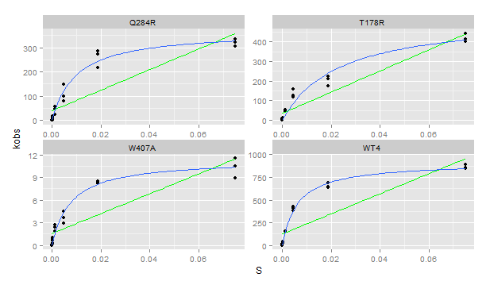
Plate | Sample | Yield | Dilution | Well | Max V [420] | kobs | S | Vmax correction per [S] | kcat | km | kcat/km
3 | T178R | 0.762 | 0.01 | A1 | 3.37E-02 | 400.895969 | 0.07500 | 4.81E-07 | 534.45807227 | 0.02310861 | 23128.09261
3 | T178R | 0.762 | 0.01 | B1 | 1.88E-02 | 223.267215 | 0.01875 | 3.83E-07 | 534.45807227 | 0.02310861 | 23128.09261
3 | T178R | 0.762 | 0.01 | C1 | 1.04E-02 | 124.252870 | 0.00469 | 2.90E-07 | 534.45807227 | 0.02310861 | 23128.09261
3 | T178R | 0.762 | 0.01 | D1 | 3.90E-03 | 46.381201 | 0.00117 | 2.78E-07 | 534.45807227 | 0.02310861 | 23128.09261
3 | T178R | 0.762 | 0.01 | E1 | 1.03E-03 | 12.251502 | 0.00029 | 1.57E-07 | 534.45807227 | 0.02310861 | 23128.09261
3 | T178R | 0.762 | 0.01 | F1 | 4.67E-04 | 5.552476 | 0.00007 | 4.12E-07 | 534.45807227 | 0.02310861 | 23128.09261
3 | T178R | 0.762 | 0.01 | G1 | 1.16E-04 | 1.384514 | 0.00002 | 3.65E-07 | 534.45807227 | 0.02310861 | 23128.09261
3 | T178R | 0.762 | 0.01 | H1 | 1.47E-17 | 0.000000 | 0.00000 | 4.26E-07 | 534.45807227 | 0.02310861 | 23128.09261
3 | T178R | 0.762 | 0.01 | A2 | 3.48E-02 | 413.572926 | 0.07500 | 4.81E-07 | 534.45807227 | 0.02310861 | 23128.09261
3 | T178R | 0.762 | 0.01 | B2 | 1.76E-02 | 209.335549 | 0.01875 | 3.83E-07 | 534.45807227 | 0.02310861 | 23128.09261
3 | T178R | 0.762 | 0.01 | C2 | 9.97E-03 | 118.671554 | 0.00469 | 2.90E-07 | 534.45807227 | 0.02310861 | 23128.09261
3 | T178R | 0.762 | 0.01 | D2 | 4.51E-03 | 53.714797 | 0.00117 | 2.78E-07 | 534.45807227 | 0.02310861 | 23128.09261
3 | T178R | 0.762 | 0.01 | E2 | 9.09E-04 | 10.816512 | 0.00029 | 1.57E-07 | 534.45807227 | 0.02310861 | 23128.09261
3 | T178R | 0.762 | 0.01 | F2 | 5.55E-04 | 6.605283 | 0.00007 | 4.12E-07 | 534.45807227 | 0.02310861 | 23128.09261
3 | T178R | 0.762 | 0.01 | G2 | 1.52E-04 | 1.809963 | 0.00002 | 3.65E-07 | 534.45807227 | 0.02310861 | 23128.09261
3 | T178R | 0.762 | 0.01 | H2 | 7.27E-06 | 0.086532 | 0.00000 | 4.26E-07 | 534.45807227 | 0.02310861 | 23128.09261
3 | T178R | 0.762 | 0.01 | A3 | 3.72E-02 | 442.034771 | 0.07500 | 4.81E-07 | 534.45807227 | 0.02310861 | 23128.09261
3 | T178R | 0.762 | 0.01 | B3 | 1.48E-02 | 175.775520 | 0.01875 | 3.83E-07 | 534.45807227 | 0.02310861 | 23128.09261
3 | T178R | 0.762 | 0.01 | C3 | 1.31E-02 | 155.757766 | 0.00469 | 2.90E-07 | 534.45807227 | 0.02310861 | 23128.09261
3 | T178R | 0.762 | 0.01 | D3 | 4.22E-03 | 50.260723 | 0.00117 | 2.78E-07 | 534.45807227 | 0.02310861 | 23128.09261
3 | T178R | 0.762 | 0.01 | E3 | 1.12E-03 | 13.340364 | 0.00029 | 1.57E-07 | 534.45807227 | 0.02310861 | 23128.09261
3 | T178R | 0.762 | 0.01 | F3 | 4.88E-04 | 5.804861 | 0.00007 | 4.12E-07 | 534.45807227 | 0.02310861 | 23128.09261
3 | T178R | 0.762 | 0.01 | G3 | 1.71E-04 | 2.033504 | 0.00002 | 3.65E-07 | 534.45807227 | 0.02310861 | 23128.09261
3 | T178R | 0.762 | 0.01 | H3 | 8.48E-06 | 0.100954 | 0.00000 | 4.26E-07 | 534.45807227 | 0.02310861 | 23128.09261
3 | W407A | 0.125 | 0.1 | A4 | 1.45E-03 | 10.497243 | 0.07500 | 4.81E-07 | 11.399309297 | 0.007591789 | 1501.531365
3 | W407A | 0.125 | 0.1 | B4 | 1.13E-03 | 8.171849 | 0.01875 | 3.83E-07 | 11.399309297 | 0.007591789 | 1501.531365
3 | W407A | 0.125 | 0.1 | C4 | 4.09E-04 | 2.967185 | 0.00469 | 2.90E-07 | 11.399309297 | 0.007591789 | 1501.531365
3 | W407A | 0.125 | 0.1 | D4 | 3.79E-04 | 2.751790 | 0.00117 | 2.78E-07 | 11.399309297 | 0.007591789 | 1501.531365
3 | W407A | 0.125 | 0.1 | E4 | 1.07E-04 | 0.773666 | 0.00029 | 1.57E-07 | 11.399309297 | 0.007591789 | 1501.531365
3 | W407A | 0.125 | 0.1 | F4 | 4.12E-05 | 0.298916 | 0.00007 | 4.12E-07 | 11.399309297 | 0.007591789 | 1501.531365
3 | W407A | 0.125 | 0.1 | G4 | 9.92E-06 | 0.071949 | 0.00002 | 3.65E-07 | 11.399309297 | 0.007591789 | 1501.531365
3 | W407A | 0.125 | 0.1 | H4 | 4.97E-18 | 0.000000 | 0.00000 | 4.26E-07 | 11.399309297 | 0.007591789 | 1501.531365
3 | W407A | 0.125 | 0.1 | A5 | 1.23E-03 | 8.941119 | 0.07500 | 4.81E-07 | 11.399309297 | 0.007591789 | 1501.531365
3 | W407A | 0.125 | 0.1 | B5 | 1.17E-03 | 8.479557 | 0.01875 | 3.83E-07 | 11.399309297 | 0.007591789 | 1501.531365
3 | W407A | 0.125 | 0.1 | C5 | 5.04E-04 | 3.652935 | 0.00469 | 2.90E-07 | 11.399309297 | 0.007591789 | 1501.531365
3 | W407A | 0.125 | 0.1 | D5 | 2.53E-04 | 1.833061 | 0.00117 | 2.78E-07 | 11.399309297 | 0.007591789 | 1501.531365
3 | W407A | 0.125 | 0.1 | E5 | 1.10E-04 | 0.795645 | 0.00029 | 1.57E-07 | 11.399309297 | 0.007591789 | 1501.531365
3 | W407A | 0.125 | 0.1 | F5 | 2.42E-05 | 0.175833 | 0.00007 | 4.12E-07 | 11.399309297 | 0.007591789 | 1501.531365
3 | W407A | 0.125 | 0.1 | G5 | 7.81E-06 | 0.056613 | 0.00002 | 3.65E-07 | 11.399309297 | 0.007591789 | 1501.531365
3 | W407A | 0.125 | 0.1 | H5 | 1.27E-05 | 0.091991 | 0.00000 | 4.26E-07 | 11.399309297 | 0.007591789 | 1501.531365
3 | W407A | 0.125 | 0.1 | A6 | 1.59E-03 | 11.539055 | 0.07500 | 4.81E-07 | 11.399309297 | 0.007591789 | 1501.531365
3 | W407A | 0.125 | 0.1 | B6 | 1.15E-03 | 8.352078 | 0.01875 | 3.83E-07 | 11.399309297 | 0.007591789 | 1501.531365
3 | W407A | 0.125 | 0.1 | C6 | 6.19E-04 | 4.492539 | 0.00469 | 2.90E-07 | 11.399309297 | 0.007591789 | 1501.531365
3 | W407A | 0.125 | 0.1 | D6 | 3.34E-04 | 2.422102 | 0.00117 | 2.78E-07 | 11.399309297 | 0.007591789 | 1501.531365
3 | W407A | 0.125 | 0.1 | E6 | 1.37E-04 | 0.993458 | 0.00029 | 1.57E-07 | 11.399309297 | 0.007591789 | 1501.531365
3 | W407A | 0.125 | 0.1 | F6 | 7.70E-05 | 0.558270 | 0.00007 | 4.12E-07 | 11.399309297 | 0.007591789 | 1501.531365
3 | W407A | 0.125 | 0.1 | G6 | 1.09E-05 | 0.079125 | 0.00002 | 3.65E-07 | 11.399309297 | 0.007591789 | 1501.531365
3 | W407A | 0.125 | 0.1 | H6 | 1.04E-17 | 0.000000 | 0.00000 | 4.26E-07 | 11.399309297 | 0.007591789 | 1501.531365
3 | Q284R | 0.516 | 0.01 | A7 | 1.73E-02 | 304.726448 | 0.07500 | 4.81E-07 | 3.70E+02 | 9.68E-03 | 3.82E+04
3 | Q284R | 0.516 | 0.01 | B7 | 1.23E-02 | 216.149618 | 0.01875 | 3.83E-07 | 3.70E+02 | 9.68E-03 | 3.82E+04
3 | Q284R | 0.516 | 0.01 | C7 | 4.48E-03 | 78.747978 | 0.00469 | 2.90E-07 | 3.70E+02 | 9.68E-03 | 3.82E+04
3 | Q284R | 0.516 | 0.01 | D7 | 1.31E-03 | 23.075979 | 0.00117 | 2.78E-07 | 3.70E+02 | 9.68E-03 | 3.82E+04
3 | Q284R | 0.516 | 0.01 | E7 | 3.21E-04 | 5.633222 | 0.00029 | 1.57E-07 | 3.70E+02 | 9.68E-03 | 3.82E+04
3 | Q284R | 0.516 | 0.01 | F7 | 7.76E-05 | 1.363048 | 0.00007 | 4.12E-07 | 3.70E+02 | 9.68E-03 | 3.82E+04
3 | Q284R | 0.516 | 0.01 | G7 | 1.88E-05 | 0.330113 | 0.00002 | 3.65E-07 | 3.70E+02 | 9.68E-03 | 3.82E+04
3 | Q284R | 0.516 | 0.01 | H7 | 1.21E-17 | 0.000000 | 0.00000 | 4.26E-07 | 3.70E+02 | 9.68E-03 | 3.82E+04
3 | Q284R | 0.516 | 0.01 | A8 | 1.84E-02 | 322.818783 | 0.07500 | 4.81E-07 | 3.70E+02 | 9.68E-03 | 3.82E+04
3 | Q284R | 0.516 | 0.01 | B8 | 1.55E-02 | 272.801317 | 0.01875 | 3.83E-07 | 3.70E+02 | 9.68E-03 | 3.82E+04
3 | Q284R | 0.516 | 0.01 | C8 | 5.67E-03 | 99.566409 | 0.00469 | 2.90E-07 | 3.70E+02 | 9.68E-03 | 3.82E+04
3 | Q284R | 0.516 | 0.01 | D8 | 2.61E-03 | 45.800548 | 0.00117 | 2.78E-07 | 3.70E+02 | 9.68E-03 | 3.82E+04
3 | Q284R | 0.516 | 0.01 | E8 | 7.72E-04 | 13.555940 | 0.00029 | 1.57E-07 | 3.70E+02 | 9.68E-03 | 3.82E+04
3 | Q284R | 0.516 | 0.01 | F8 | 2.04E-04 | 3.578001 | 0.00007 | 4.12E-07 | 3.70E+02 | 9.68E-03 | 3.82E+04
3 | Q284R | 0.516 | 0.01 | G8 | 6.36E-05 | 1.118125 | 0.00002 | 3.65E-07 | 3.70E+02 | 9.68E-03 | 3.82E+04
3 | Q284R | 0.516 | 0.01 | H8 | 1.22E-17 | 0.000000 | 0.00000 | 4.26E-07 | 3.70E+02 | 9.68E-03 | 3.82E+04
3 | Q284R | 0.516 | 0.01 | A9 | 1.91E-02 | 336.385368 | 0.07500 | 4.81E-07 | 3.70E+02 | 9.68E-03 | 3.82E+04
3 | Q284R | 0.516 | 0.01 | B9 | 1.62E-02 | 284.898354 | 0.01875 | 3.83E-07 | 3.70E+02 | 9.68E-03 | 3.82E+04
3 | Q284R | 0.516 | 0.01 | C9 | 8.35E-03 | 146.751302 | 0.00469 | 2.90E-07 | 3.70E+02 | 9.68E-03 | 3.82E+04
3 | Q284R | 0.516 | 0.01 | D9 | 3.11E-03 | 54.585820 | 0.00117 | 2.78E-07 | 3.70E+02 | 9.68E-03 | 3.82E+04
3 | Q284R | 0.516 | 0.01 | E9 | 9.25E-04 | 16.260739 | 0.00029 | 1.57E-07 | 3.70E+02 | 9.68E-03 | 3.82E+04
3 | Q284R | 0.516 | 0.01 | F9 | 2.30E-04 | 4.035900 | 0.00007 | 4.12E-07 | 3.70E+02 | 9.68E-03 | 3.82E+04
3 | Q284R | 0.516 | 0.01 | G9 | 7.15E-05 | 1.256560 | 0.00002 | 3.65E-07 | 3.70E+02 | 9.68E-03 | 3.82E+04
3 | Q284R | 0.516 | 0.01 | H9 | -2.11E-17 | 0.000000 | 0.00000 | 4.26E-07 | 3.70E+02 | 9.68E-03 | 3.82E+04
3 | WT4 | 1.977 | 0.01 | A10 | 1.84E-01 | 844.140632 | 0.07500 | 4.81E-07 | 9.16E+02 | 6.28E-03 | 1.46E+05
3 | WT4 | 1.977 | 0.01 | B10 | 1.41E-01 | 645.227622 | 0.01875 | 3.83E-07 | 9.16E+02 | 6.28E-03 | 1.46E+05
3 | WT4 | 1.977 | 0.01 | C10 | 9.31E-02 | 426.722947 | 0.00469 | 2.90E-07 | 9.16E+02 | 6.28E-03 | 1.46E+05
3 | WT4 | 1.977 | 0.01 | D10 | 3.37E-02 | 154.396036 | 0.00117 | 2.78E-07 | 9.16E+02 | 6.28E-03 | 1.46E+05
3 | WT4 | 1.977 | 0.01 | E10 | 9.80E-03 | 44.925519 | 0.00029 | 1.57E-07 | 9.16E+02 | 6.28E-03 | 1.46E+05
3 | WT4 | 1.977 | 0.01 | F10 | 2.66E-03 | 12.195816 | 0.00007 | 4.12E-07 | 9.16E+02 | 6.28E-03 | 1.46E+05
3 | WT4 | 1.977 | 0.01 | G10 | 6.36E-04 | 2.918324 | 0.00002 | 3.65E-07 | 9.16E+02 | 6.28E-03 | 1.46E+05
3 | WT4 | 1.977 | 0.01 | H10 | -3.46E-17 | 0.000000 | 0.00000 | 4.26E-07 | 9.16E+02 | 6.28E-03 | 1.46E+05
3 | WT4 | 1.977 | 0.01 | A11 | 1.87E-01 | 856.086267 | 0.07500 | 4.81E-07 | 9.16E+02 | 6.28E-03 | 1.46E+05
3 | WT4 | 1.977 | 0.01 | B11 | 1.38E-01 | 633.840600 | 0.01875 | 3.83E-07 | 9.16E+02 | 6.28E-03 | 1.46E+05
3 | WT4 | 1.977 | 0.01 | C11 | 8.40E-02 | 385.046495 | 0.00469 | 2.90E-07 | 9.16E+02 | 6.28E-03 | 1.46E+05
3 | WT4 | 1.977 | 0.01 | D11 | 3.30E-02 | 151.299831 | 0.00117 | 2.78E-07 | 9.16E+02 | 6.28E-03 | 1.46E+05
3 | WT4 | 1.977 | 0.01 | E11 | 8.57E-03 | 39.319557 | 0.00029 | 1.57E-07 | 9.16E+02 | 6.28E-03 | 1.46E+05
3 | WT4 | 1.977 | 0.01 | F11 | 2.26E-03 | 10.347544 | 0.00007 | 4.12E-07 | 9.16E+02 | 6.28E-03 | 1.46E+05
3 | WT4 | 1.977 | 0.01 | G11 | 5.41E-04 | 2.479186 | 0.00002 | 3.65E-07 | 9.16E+02 | 6.28E-03 | 1.46E+05
3 | WT4 | 1.977 | 0.01 | H11 | 1.52E-05 | 0.069484 | 0.00000 | 4.26E-07 | 9.16E+02 | 6.28E-03 | 1.46E+05
3 | WT4 | 1.977 | 0.01 | A12 | 1.93E-01 | 886.901021 | 0.07500 | 4.81E-07 | 9.16E+02 | 6.28E-03 | 1.46E+05
3 | WT4 | 1.977 | 0.01 | B12 | 1.50E-01 | 687.584999 | 0.01875 | 3.83E-07 | 9.16E+02 | 6.28E-03 | 1.46E+05
3 | WT4 | 1.977 | 0.01 | C12 | 8.83E-02 | 405.088435 | 0.00469 | 2.90E-07 | 9.16E+02 | 6.28E-03 | 1.46E+05
3 | WT4 | 1.977 | 0.01 | D12 | 3.38E-02 | 155.127007 | 0.00117 | 2.78E-07 | 9.16E+02 | 6.28E-03 | 1.46E+05
3 | WT4 | 1.977 | 0.01 | E12 | 5.46E-03 | 25.016988 | 0.00029 | 1.57E-07 | 9.16E+02 | 6.28E-03 | 1.46E+05
3 | WT4 | 1.977 | 0.01 | F12 | 2.47E-03 | 11.342554 | 0.00007 | 4.12E-07 | 9.16E+02 | 6.28E-03 | 1.46E+05
3 | WT4 | 1.977 | 0.01 | G12 | 6.38E-04 | 2.926662 | 0.00002 | 3.65E-07 | 9.16E+02 | 6.28E-03 | 1.46E+05
3 | WT4 | 1.977 | 0.01 | H12 | 1.94E-05 | 0.088939 | 0.00000 | 4.26E-07 | 9.16E+02 | 6.28E-03 | 1.46E+05

Plate 4
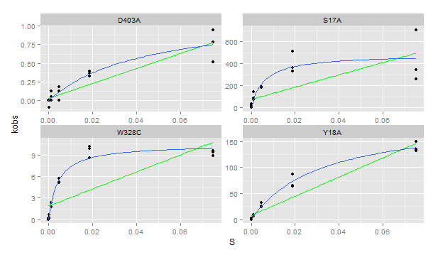
Plate | Sample | Yield | Dilution | Well | Max V [420] | kobs | S | Vmax correction per [S] | kcat | km | kcat/km | notes
4 | S17A | 0.654 | 0.01 | A1 | 1.86E-02 | 257.204799 | 0.07500 | 4.81E-07 | 4.86E+02 | 5.87E-03 | 8.28E+04 | check data
4 | S17A | 0.654 | 0.01 | B1 | 3.70E-02 | 512.527598 | 0.01875 | 3.83E-07 | 4.86E+02 | 5.87E-03 | 8.28E+04 | check data
4 | S17A | 0.654 | 0.01 | C1 | 1.35E-02 | 186.587538 | 0.00469 | 2.90E-07 | 4.86E+02 | 5.87E-03 | 8.28E+04 | check data
4 | S17A | 0.654 | 0.01 | D1 | 6.12E-03 | 84.849944 | 0.00117 | 2.78E-07 | 4.86E+02 | 5.87E-03 | 8.28E+04 | check data
4 | S17A | 0.654 | 0.01 | E1 | 2.39E-03 | 33.069548 | 0.00029 | 1.57E-07 | 4.86E+02 | 5.87E-03 | 8.28E+04 | check data
4 | S17A | 0.654 | 0.01 | F1 | 4.08E-04 | 5.662824 | 0.00007 | 4.12E-07 | 4.86E+02 | 5.87E-03 | 8.28E+04 | check data
4 | S17A | 0.654 | 0.01 | G1 | 1.32E-04 | 1.823194 | 0.00002 | 3.65E-07 | 4.86E+02 | 5.87E-03 | 8.28E+04 | check data
4 | S17A | 0.654 | 0.01 | H1 | 1.85E-17 | 0.000000 | 0.00000 | 4.26E-07 | 4.86E+02 | 5.87E-03 | 8.28E+04 | check data
4 | S17A | 0.654 | 0.01 | A2 | 2.46E-02 | 340.601233 | 0.07500 | 4.81E-07 | 4.86E+02 | 5.87E-03 | 8.28E+04 | check data
4 | S17A | 0.654 | 0.01 | B2 | 2.62E-02 | 363.479379 | 0.01875 | 3.83E-07 | 4.86E+02 | 5.87E-03 | 8.28E+04 | check data
4 | S17A | 0.654 | 0.01 | C2 | 1.32E-02 | 182.638677 | 0.00469 | 2.90E-07 | 4.86E+02 | 5.87E-03 | 8.28E+04 | check data
4 | S17A | 0.654 | 0.01 | D2 | 1.03E-02 | 142.738463 | 0.00117 | 2.78E-07 | 4.86E+02 | 5.87E-03 | 8.28E+04 | check data
4 | S17A | 0.654 | 0.01 | E2 | 2.08E-03 | 28.835034 | 0.00029 | 1.57E-07 | 4.86E+02 | 5.87E-03 | 8.28E+04 | check data
4 | S17A | 0.654 | 0.01 | F2 | 6.09E-04 | 8.443825 | 0.00007 | 4.12E-07 | 4.86E+02 | 5.87E-03 | 8.28E+04 | check data
4 | S17A | 0.654 | 0.01 | G2 | 1.58E-04 | 2.184472 | 0.00002 | 3.65E-07 | 4.86E+02 | 5.87E-03 | 8.28E+04 | check data
4 | S17A | 0.654 | 0.01 | H2 | -3.06E-17 | 0.000000 | 0.00000 | 4.26E-07 | 4.86E+02 | 5.87E-03 | 8.28E+04 | check data
4 | S17A | 0.654 | 0.01 | A3 | 5.11E-02 | 707.869827 | 0.07500 | 4.81E-07 | 4.86E+02 | 5.87E-03 | 8.28E+04 | check data
4 | S17A | 0.654 | 0.01 | B3 | 2.39E-02 | 330.745904 | 0.01875 | 3.83E-07 | 4.86E+02 | 5.87E-03 | 8.28E+04 | check data
4 | S17A | 0.654 | 0.01 | C3 | 1.31E-02 | 180.975117 | 0.00469 | 2.90E-07 | 4.86E+02 | 5.87E-03 | 8.28E+04 | check data
4 | S17A | 0.654 | 0.01 | D3 | 5.34E-03 | 73.961189 | 0.00117 | 2.78E-07 | 4.86E+02 | 5.87E-03 | 8.28E+04 | check data
4 | S17A | 0.654 | 0.01 | E3 | 1.81E-03 | 25.129833 | 0.00029 | 1.57E-07 | 4.86E+02 | 5.87E-03 | 8.28E+04 | check data
4 | S17A | 0.654 | 0.01 | F3 | 7.67E-04 | 10.636700 | 0.00007 | 4.12E-07 | 4.86E+02 | 5.87E-03 | 8.28E+04 | check data
4 | S17A | 0.654 | 0.01 | G3 | 9.94E-05 | 1.377898 | 0.00002 | 3.65E-07 | 4.86E+02 | 5.87E-03 | 8.28E+04 | check data
4 | S17A | 0.654 | 0.01 | H3 | 1.27E-17 | 0.000000 | 0.00000 | 4.26E-07 | 4.86E+02 | 5.87E-03 | 8.28E+04 | check data
4 | D403A | 0.12 | 0.1 | A4 | 6.85E-05 | 0.517426 | 0.07500 | 4.81E-07 | 1.18953329 | 0.04395773 | 27.06084436
4 | D403A | 0.12 | 0.1 | B4 | 5.19E-05 | 0.392076 | 0.01875 | 3.83E-07 | 1.18953329 | 0.04395773 | 27.06084436
4 | D403A | 0.12 | 0.1 | C4 | -4.09E-17 | 0.000000 | 0.00469 | 2.90E-07 | 1.18953329 | 0.04395773 | 27.06084436
4 | D403A | 0.12 | 0.1 | D4 | 6.47E-06 | 0.048852 | 0.00117 | 2.78E-07 | 1.18953329 | 0.04395773 | 27.06084436
4 | D403A | 0.12 | 0.1 | E4 | -1.28E-05 | -0.096863 | 0.00029 | 1.57E-07 | 1.18953329 | 0.04395773 | 27.06084436
4 | D403A | 0.12 | 0.1 | F4 | 3.09E-17 | 0.000000 | 0.00007 | 4.12E-07 | 1.18953329 | 0.04395773 | 27.06084436
4 | D403A | 0.12 | 0.1 | G4 | 4.12E-05 | 0.311371 | 0.00002 | 3.65E-07 | 1.18953329 | 0.04395773 | 27.06084436
4 | D403A | 0.12 | 0.1 | H4 | 1.46E-17 | 0.000000 | 0.00000 | 4.26E-07 | 1.18953329 | 0.04395773 | 27.06084436
4 | D403A | 0.12 | 0.1 | A5 | 1.04E-04 | 0.783007 | 0.07500 | 4.81E-07 | 1.18953329 | 0.04395773 | 27.06084436
4 | D403A | 0.12 | 0.1 | B5 | 4.30E-05 | 0.325108 | 0.01875 | 3.83E-07 | 1.18953329 | 0.04395773 | 27.06084436
4 | D403A | 0.12 | 0.1 | C5 | 1.68E-05 | 0.126803 | 0.00469 | 2.90E-07 | 1.18953329 | 0.04395773 | 27.06084436
4 | D403A | 0.12 | 0.1 | D5 | 1.57E-05 | 0.118768 | 0.00117 | 2.78E-07 | 1.18953329 | 0.04395773 | 27.06084436
4 | D403A | 0.12 | 0.1 | E5 | -1.75E-17 | 0.000000 | 0.00029 | 1.57E-07 | 1.18953329 | 0.04395773 | 27.06084436
4 | D403A | 0.12 | 0.1 | F5 | -3.11E-18 | 0.000000 | 0.00007 | 4.12E-07 | 1.18953329 | 0.04395773 | 27.06084436
4 | D403A | 0.12 | 0.1 | G5 | 1.83E-17 | 0.000000 | 0.00002 | 3.65E-07 | 1.18953329 | 0.04395773 | 27.06084436
4 | D403A | 0.12 | 0.1 | H5 | 8.19E-18 | 0.000000 | 0.00000 | 4.26E-07 | 1.18953329 | 0.04395773 | 27.06084436
4 | D403A | 0.12 | 0.1 | A6 | 1.25E-04 | 0.947851 | 0.07500 | 4.81E-07 | 1.18953329 | 0.04395773 | 27.06084436
4 | D403A | 0.12 | 0.1 | B6 | 4.79E-05 | 0.361740 | 0.01875 | 3.83E-07 | 1.18953329 | 0.04395773 | 27.06084436
4 | D403A | 0.12 | 0.1 | C6 | 2.36E-05 | 0.178581 | 0.00469 | 2.90E-07 | 1.18953329 | 0.04395773 | 27.06084436
4 | D403A | 0.12 | 0.1 | D6 | 2.35E-17 | 0.000000 | 0.00117 | 2.78E-07 | 1.18953329 | 0.04395773 | 27.06084436
4 | D403A | 0.12 | 0.1 | E6 | 0.00E+00 | 0.000000 | 0.00029 | 1.57E-07 | 1.18953329 | 0.04395773 | 27.06084436
4 | D403A | 0.12 | 0.1 | F6 | -4.19E-18 | 0.000000 | 0.00007 | 4.12E-07 | 1.18953329 | 0.04395773 | 27.06084436
4 | D403A | 0.12 | 0.1 | G6 | 1.14E-17 | 0.000000 | 0.00002 | 3.65E-07 | 1.18953329 | 0.04395773 | 27.06084436
4 | D403A | 0.12 | 0.1 | H6 | -6.52E-17 | 0.000000 | 0.00000 | 4.26E-07 | 1.18953329 | 0.04395773 | 27.06084436
4 | Y18A | 0.172 | 0.1 | A7 | 2.56E-02 | 135.190951 | 0.07500 | 4.81E-07 | 196.52745039 | 0.03154331 | 6230.400373
4 | Y18A | 0.172 | 0.1 | B7 | 1.64E-02 | 86.558882 | 0.01875 | 3.83E-07 | 196.52745039 | 0.03154331 | 6230.400373
4 | Y18A | 0.172 | 0.1 | C7 | 6.06E-03 | 31.927273 | 0.00469 | 2.90E-07 | 196.52745039 | 0.03154331 | 6230.400373
4 | Y18A | 0.172 | 0.1 | D7 | 1.73E-03 | 9.095152 | 0.00117 | 2.78E-07 | 196.52745039 | 0.03154331 | 6230.400373
4 | Y18A | 0.172 | 0.1 | E7 | 5.36E-04 | 2.827260 | 0.00029 | 1.57E-07 | 196.52745039 | 0.03154331 | 6230.400373
4 | Y18A | 0.172 | 0.1 | F7 | 1.64E-04 | 0.865749 | 0.00007 | 4.12E-07 | 196.52745039 | 0.03154331 | 6230.400373
4 | Y18A | 0.172 | 0.1 | G7 | 4.24E-05 | 0.223625 | 0.00002 | 3.65E-07 | 196.52745039 | 0.03154331 | 6230.400373
4 | Y18A | 0.172 | 0.1 | H7 | 1.23E-05 | 0.064891 | 0.00000 | 4.26E-07 | 196.52745039 | 0.03154331 | 6230.400373
4 | Y18A | 0.172 | 0.1 | A8 | 2.50E-02 | 131.680035 | 0.07500 | 4.81E-07 | 196.52745039 | 0.03154331 | 6230.400373
4 | Y18A | 0.172 | 0.1 | B8 | 1.23E-02 | 65.020594 | 0.01875 | 3.83E-07 | 196.52745039 | 0.03154331 | 6230.400373
4 | Y18A | 0.172 | 0.1 | C8 | 4.97E-03 | 26.202471 | 0.00469 | 2.90E-07 | 196.52745039 | 0.03154331 | 6230.400373
4 | Y18A | 0.172 | 0.1 | D8 | 1.41E-03 | 7.456300 | 0.00117 | 2.78E-07 | 196.52745039 | 0.03154331 | 6230.400373
4 | Y18A | 0.172 | 0.1 | E8 | 3.81E-04 | 2.009431 | 0.00029 | 1.57E-07 | 196.52745039 | 0.03154331 | 6230.400373
4 | Y18A | 0.172 | 0.1 | F8 | 1.13E-04 | 0.597398 | 0.00007 | 4.12E-07 | 196.52745039 | 0.03154331 | 6230.400373
4 | Y18A | 0.172 | 0.1 | G8 | 5.20E-05 | 0.273922 | 0.00002 | 3.65E-07 | 196.52745039 | 0.03154331 | 6230.400373
4 | Y18A | 0.172 | 0.1 | H8 | 3.45E-17 | 0.000000 | 0.00000 | 4.26E-07 | 196.52745039 | 0.03154331 | 6230.400373
4 | Y18A | 0.172 | 0.1 | A9 | 2.83E-02 | 149.141958 | 0.07500 | 4.81E-07 | 196.52745039 | 0.03154331 | 6230.400373
4 | Y18A | 0.172 | 0.1 | B9 | 1.21E-02 | 64.033448 | 0.01875 | 3.83E-07 | 196.52745039 | 0.03154331 | 6230.400373
4 | Y18A | 0.172 | 0.1 | C9 | 4.58E-03 | 24.151510 | 0.00469 | 2.90E-07 | 196.52745039 | 0.03154331 | 6230.400373
4 | Y18A | 0.172 | 0.1 | D9 | 1.34E-03 | 7.085721 | 0.00117 | 2.78E-07 | 196.52745039 | 0.03154331 | 6230.400373
4 | Y18A | 0.172 | 0.1 | E9 | 4.37E-04 | 2.303338 | 0.00029 | 1.57E-07 | 196.52745039 | 0.03154331 | 6230.400373
4 | Y18A | 0.172 | 0.1 | F9 | 1.24E-04 | 0.654902 | 0.00007 | 4.12E-07 | 196.52745039 | 0.03154331 | 6230.400373
4 | Y18A | 0.172 | 0.1 | G9 | 4.24E-05 | 0.223625 | 0.00002 | 3.65E-07 | 196.52745039 | 0.03154331 | 6230.400373
4 | Y18A | 0.172 | 0.1 | H9 | -1.12E-17 | 0.000000 | 0.00000 | 4.26E-07 | 196.52745039 | 0.03154331 | 6230.400373
4 | W328C | 0.22 | 0.1 | A10 | 2.33E-03 | 9.593400 | 0.07500 | 4.81E-07 | 10.453586418 | 0.004175371 | 2503.630556
4 | W328C | 0.22 | 0.1 | B10 | 2.46E-03 | 10.130391 | 0.01875 | 3.83E-07 | 10.453586418 | 0.004175371 | 2503.630556
4 | W328C | 0.22 | 0.1 | C10 | 1.39E-03 | 5.727068 | 0.00469 | 2.90E-07 | 10.453586418 | 0.004175371 | 2503.630556
4 | W328C | 0.22 | 0.1 | D10 | 5.58E-04 | 2.297820 | 0.00117 | 2.78E-07 | 10.453586418 | 0.004175371 | 2503.630556
4 | W328C | 0.22 | 0.1 | E10 | 1.72E-04 | 0.709327 | 0.00029 | 1.57E-07 | 10.453586418 | 0.004175371 | 2503.630556
4 | W328C | 0.22 | 0.1 | F10 | 5.58E-05 | 0.229782 | 0.00007 | 4.12E-07 | 10.453586418 | 0.004175371 | 2503.630556
4 | W328C | 0.22 | 0.1 | G10 | 2.91E-05 | 0.119886 | 0.00002 | 3.65E-07 | 10.453586418 | 0.004175371 | 2503.630556
4 | W328C | 0.22 | 0.1 | H10 | 2.30E-17 | 0.000000 | 0.00000 | 4.26E-07 | 10.453586418 | 0.004175371 | 2503.630556
4 | W328C | 0.22 | 0.1 | A11 | 2.15E-03 | 8.869087 | 0.07500 | 4.81E-07 | 10.453586418 | 0.004175371 | 2503.630556
4 | W328C | 0.22 | 0.1 | B11 | 2.08E-03 | 8.556883 | 0.01875 | 3.83E-07 | 10.453586418 | 0.004175371 | 2503.630556
4 | W328C | 0.22 | 0.1 | C11 | 1.24E-03 | 5.090172 | 0.00469 | 2.90E-07 | 10.453586418 | 0.004175371 | 2503.630556
4 | W328C | 0.22 | 0.1 | D11 | 4.21E-04 | 1.735853 | 0.00117 | 2.78E-07 | 10.453586418 | 0.004175371 | 2503.630556
4 | W328C | 0.22 | 0.1 | E11 | 1.60E-04 | 0.659375 | 0.00029 | 1.57E-07 | 10.453586418 | 0.004175371 | 2503.630556
4 | W328C | 0.22 | 0.1 | F11 | 6.30E-05 | 0.259754 | 0.00007 | 4.12E-07 | 10.453586418 | 0.004175371 | 2503.630556
4 | W328C | 0.22 | 0.1 | G11 | 3.64E-05 | 0.149858 | 0.00002 | 3.65E-07 | 10.453586418 | 0.004175371 | 2503.630556
4 | W328C | 0.22 | 0.1 | H11 | 8.75E-18 | 0.000000 | 0.00000 | 4.26E-07 | 10.453586418 | 0.004175371 | 2503.630556
4 | W328C | 0.22 | 0.1 | A12 | 2.27E-03 | 9.341140 | 0.07500 | 4.81E-07 | 10.453586418 | 0.004175371 | 2503.630556
4 | W328C | 0.22 | 0.1 | B12 | 2.40E-03 | 9.873135 | 0.01875 | 3.83E-07 | 10.453586418 | 0.004175371 | 2503.630556
4 | W328C | 0.22 | 0.1 | C12 | 1.26E-03 | 5.190077 | 0.00469 | 2.90E-07 | 10.453586418 | 0.004175371 | 2503.630556
4 | W328C | 0.22 | 0.1 | D12 | 4.14E-04 | 1.705882 | 0.00117 | 2.78E-07 | 10.453586418 | 0.004175371 | 2503.630556
4 | W328C | 0.22 | 0.1 | E12 | 1.52E-04 | 0.626905 | 0.00029 | 1.57E-07 | 10.453586418 | 0.004175371 | 2503.630556
4 | W328C | 0.22 | 0.1 | F12 | 4.55E-05 | 0.187322 | 0.00007 | 4.12E-07 | 10.453586418 | 0.004175371 | 2503.630556
4 | W328C | 0.22 | 0.1 | G12 | 3.45E-05 | 0.142365 | 0.00002 | 3.65E-07 | 10.453586418 | 0.004175371 | 2503.630556
4 | W328C | 0.22 | 0.1 | H12 | 2.93E-17 | 0.000000 | 0.00000 | 4.26E-07 | 10.453586418 | 0.004175371 | 2503.630556

Plate 5
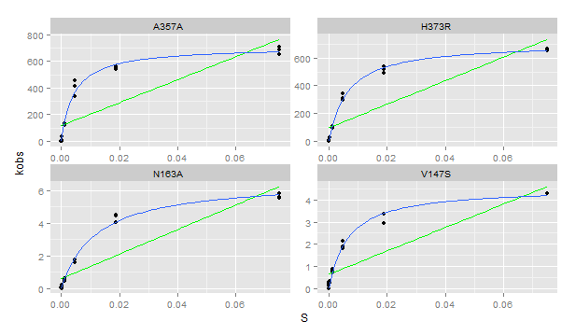
Plate | Sample | Yield | Dilution | Well | Max V [420] | kobs | S | Vmax correction per [S] | kcat | km | kcat/km
5 | A357A | 1.924 | 0.01 | A1 | 1.50E-01 | 708.419233 | 0.07500 | 4.81E-07 | 7.09E+02 | 4.33E-03 | 1.637779E+05
5 | A357A | 1.924 | 0.01 | B1 | 1.16E-01 | 545.866032 | 0.01875 | 3.83E-07 | 7.09E+02 | 4.33E-03 | 1.637779E+05
5 | A357A | 1.924 | 0.01 | C1 | 7.16E-02 | 337.569610 | 0.00469 | 2.90E-07 | 7.09E+02 | 4.33E-03 | 1.637779E+05
5 | A357A | 1.924 | 0.01 | D1 | 2.54E-02 | 119.585891 | 0.00117 | 2.78E-07 | 7.09E+02 | 4.33E-03 | 1.637779E+05
5 | A357A | 1.924 | 0.01 | E1 | 8.21E-03 | 38.700557 | 0.00029 | 1.57E-07 | 7.09E+02 | 4.33E-03 | 1.637779E+05
5 | A357A | 1.924 | 0.01 | F1 | 2.07E-03 | 9.755819 | 0.00007 | 4.12E-07 | 7.09E+02 | 4.33E-03 | 1.637779E+05
5 | A357A | 1.924 | 0.01 | G1 | 5.18E-04 | 2.438955 | 0.00002 | 3.65E-07 | 7.09E+02 | 4.33E-03 | 1.637779E+05
5 | A357A | 1.924 | 0.01 | H1 | -1.31E-17 | 0.000000 | 0.00000 | 4.26E-07 | 7.09E+02 | 4.33E-03 | 1.637779E+05
5 | A357A | 1.924 | 0.01 | A2 | 1.38E-01 | 650.364114 | 0.07500 | 4.81E-07 | 7.09E+02 | 4.33E-03 | 1.637779E+05
5 | A357A | 1.924 | 0.01 | B2 | 1.14E-01 | 539.168912 | 0.01875 | 3.83E-07 | 7.09E+02 | 4.33E-03 | 1.637779E+05
5 | A357A | 1.924 | 0.01 | C2 | 8.75E-02 | 412.283301 | 0.00469 | 2.90E-07 | 7.09E+02 | 4.33E-03 | 1.637779E+05
5 | A357A | 1.924 | 0.01 | D2 | 2.67E-02 | 125.751821 | 0.00117 | 2.78E-07 | 7.09E+02 | 4.33E-03 | 1.637779E+05
5 | A357A | 1.924 | 0.01 | E2 | 7.38E-03 | 34.776524 | 0.00029 | 1.57E-07 | 7.09E+02 | 4.33E-03 | 1.637779E+05
5 | A357A | 1.924 | 0.01 | F2 | 1.91E-03 | 8.990433 | 0.00007 | 4.12E-07 | 7.09E+02 | 4.33E-03 | 1.637779E+05
5 | A357A | 1.924 | 0.01 | G2 | 5.42E-04 | 2.556047 | 0.00002 | 3.65E-07 | 7.09E+02 | 4.33E-03 | 1.637779E+05
5 | A357A | 1.924 | 0.01 | H2 | 4.42E-18 | 0.000000 | 0.00000 | 4.26E-07 | 7.09E+02 | 4.33E-03 | 1.637779E+05
5 | A357A | 1.924 | 0.01 | A3 | 1.46E-01 | 689.241723 | 0.07500 | 4.81E-07 | 7.09E+02 | 4.33E-03 | 1.637779E+05
5 | A357A | 1.924 | 0.01 | B3 | 1.19E-01 | 560.019983 | 0.01875 | 3.83E-07 | 7.09E+02 | 4.33E-03 | 1.637779E+05
5 | A357A | 1.924 | 0.01 | C3 | 9.67E-02 | 455.793223 | 0.00469 | 2.90E-07 | 7.09E+02 | 4.33E-03 | 1.637779E+05
5 | A357A | 1.924 | 0.01 | D3 | 2.83E-02 | 133.197201 | 0.00117 | 2.78E-07 | 7.09E+02 | 4.33E-03 | 1.637779E+05
5 | A357A | 1.924 | 0.01 | E3 | 8.02E-03 | 37.806654 | 0.00029 | 1.57E-07 | 7.09E+02 | 4.33E-03 | 1.637779E+05
5 | A357A | 1.924 | 0.01 | F3 | 1.98E-03 | 9.316007 | 0.00007 | 4.12E-07 | 7.09E+02 | 4.33E-03 | 1.637779E+05
5 | A357A | 1.924 | 0.01 | G3 | 5.02E-04 | 2.364701 | 0.00002 | 3.65E-07 | 7.09E+02 | 4.33E-03 | 1.637779E+05
5 | A357A | 1.924 | 0.01 | H3 | -8.66E-18 | 0.000000 | 0.00000 | 4.26E-07 | 7.09E+02 | 4.33E-03 | 1.637779E+05
5 | N163A | 0.737 | 0.1 | A4 | 4.53E-03 | 5.572326 | 0.07500 | 4.81E-07 | 6.66235155 | 0.01194537 | 5.577351E+02
5 | N163A | 0.737 | 0.1 | B4 | 3.63E-03 | 4.468150 | 0.01875 | 3.83E-07 | 6.66235155 | 0.01194537 | 5.577351E+02
5 | N163A | 0.737 | 0.1 | C4 | 1.44E-03 | 1.776673 | 0.00469 | 2.90E-07 | 6.66235155 | 0.01194537 | 5.577351E+02
5 | N163A | 0.737 | 0.1 | D4 | 4.27E-04 | 0.524875 | 0.00117 | 2.78E-07 | 6.66235155 | 0.01194537 | 5.577351E+02
5 | N163A | 0.737 | 0.1 | E4 | 1.80E-04 | 0.221432 | 0.00029 | 1.57E-07 | 6.66235155 | 0.01194537 | 5.577351E+02
5 | N163A | 0.737 | 0.1 | F4 | 2.85E-05 | 0.035041 | 0.00007 | 4.12E-07 | 6.66235155 | 0.01194537 | 5.577351E+02
5 | N163A | 0.737 | 0.1 | G4 | 1.64E-05 | 0.020155 | 0.00002 | 3.65E-07 | 6.66235155 | 0.01194537 | 5.577351E+02
5 | N163A | 0.737 | 0.1 | H4 | 4.94E-05 | 0.060769 | 0.00000 | 4.26E-07 | 6.66235155 | 0.01194537 | 5.577351E+02
5 | N163A | 0.737 | 0.1 | A5 | 4.73E-03 | 5.821344 | 0.07500 | 4.81E-07 | 6.66235155 | 0.01194537 | 5.577351E+02
5 | N163A | 0.737 | 0.1 | B5 | 3.65E-03 | 4.494244 | 0.01875 | 3.83E-07 | 6.66235155 | 0.01194537 | 5.577351E+02
5 | N163A | 0.737 | 0.1 | C5 | 1.31E-03 | 1.605939 | 0.00469 | 2.90E-07 | 6.66235155 | 0.01194537 | 5.577351E+02
5 | N163A | 0.737 | 0.1 | D5 | 3.62E-04 | 0.445100 | 0.00117 | 2.78E-07 | 6.66235155 | 0.01194537 | 5.577351E+02
5 | N163A | 0.737 | 0.1 | E5 | 1.32E-04 | 0.161787 | 0.00029 | 1.57E-07 | 6.66235155 | 0.01194537 | 5.577351E+02
5 | N163A | 0.737 | 0.1 | F5 | 4.79E-05 | 0.058899 | 0.00007 | 4.12E-07 | 6.66235155 | 0.01194537 | 5.577351E+02
5 | N163A | 0.737 | 0.1 | G5 | 3.52E-05 | 0.043243 | 0.00002 | 3.65E-07 | 6.66235155 | 0.01194537 | 5.577351E+02
5 | N163A | 0.737 | 0.1 | H5 | 3.70E-05 | 0.045479 | 0.00000 | 4.26E-07 | 6.66235155 | 0.01194537 | 5.577351E+02
5 | N163A | 0.737 | 0.1 | A6 | 4.49E-03 | 5.522374 | 0.07500 | 4.81E-07 | 6.66235155 | 0.01194537 | 5.577351E+02
5 | N163A | 0.737 | 0.1 | B6 | 3.29E-03 | 4.041689 | 0.01875 | 3.83E-07 | 6.66235155 | 0.01194537 | 5.577351E+02
5 | N163A | 0.737 | 0.1 | C6 | 1.29E-03 | 1.581336 | 0.00469 | 2.90E-07 | 6.66235155 | 0.01194537 | 5.577351E+02
5 | N163A | 0.737 | 0.1 | D6 | 5.02E-04 | 0.617325 | 0.00117 | 2.78E-07 | 6.66235155 | 0.01194537 | 5.577351E+02
5 | N163A | 0.737 | 0.1 | E6 | 1.11E-04 | 0.136438 | 0.00029 | 1.57E-07 | 6.66235155 | 0.01194537 | 5.577351E+02
5 | N163A | 0.737 | 0.1 | F6 | 3.52E-05 | 0.043243 | 0.00007 | 4.12E-07 | 6.66235155 | 0.01194537 | 5.577351E+02
5 | N163A | 0.737 | 0.1 | G6 | 1.49E-17 | 0.000000 | 0.00002 | 3.65E-07 | 6.66235155 | 0.01194537 | 5.577351E+02
5 | N163A | 0.737 | 0.1 | H6 | 1.82E-05 | 0.022367 | 0.00000 | 4.26E-07 | 6.66235155 | 0.01194537 | 5.577351E+02
5 | H373R | 1.193 | 0.01 | A7 | 8.54E-02 | 649.020577 | 0.07500 | 4.81E-07 | 707.3554731 | 0.00630615 | 1.121691E+05
5 | H373R | 1.193 | 0.01 | B7 | 7.09E-02 | 538.779385 | 0.01875 | 3.83E-07 | 707.3554731 | 0.00630615 | 1.121691E+05
5 | H373R | 1.193 | 0.01 | C7 | 4.50E-02 | 341.740803 | 0.00469 | 2.90E-07 | 707.3554731 | 0.00630615 | 1.121691E+05
5 | H373R | 1.193 | 0.01 | D7 | 1.42E-02 | 108.177769 | 0.00117 | 2.78E-07 | 707.3554731 | 0.00630615 | 1.121691E+05
5 | H373R | 1.193 | 0.01 | E7 | 3.84E-03 | 29.178106 | 0.00029 | 1.57E-07 | 707.3554731 | 0.00630615 | 1.121691E+05
5 | H373R | 1.193 | 0.01 | F7 | 9.63E-04 | 7.318707 | 0.00007 | 4.12E-07 | 707.3554731 | 0.00630615 | 1.121691E+05
5 | H373R | 1.193 | 0.01 | G7 | 2.57E-04 | 1.952884 | 0.00002 | 3.65E-07 | 707.3554731 | 0.00630615 | 1.121691E+05
5 | H373R | 1.193 | 0.01 | H7 | 6.18E-05 | 0.469797 | 0.00000 | 4.26E-07 | 707.3554731 | 0.00630615 | 1.121691E+05
5 | H373R | 1.193 | 0.01 | A8 | 8.70E-02 | 661.451789 | 0.07500 | 4.81E-07 | 707.3554731 | 0.00630615 | 1.121691E+05
5 | H373R | 1.193 | 0.01 | B8 | 6.85E-02 | 520.351345 | 0.01875 | 3.83E-07 | 707.3554731 | 0.00630615 | 1.121691E+05
5 | H373R | 1.193 | 0.01 | C8 | 3.85E-02 | 292.637758 | 0.00469 | 2.90E-07 | 707.3554731 | 0.00630615 | 1.121691E+05
5 | H373R | 1.193 | 0.01 | D8 | 1.28E-02 | 96.902633 | 0.00117 | 2.78E-07 | 707.3554731 | 0.00630615 | 1.121691E+05
5 | H373R | 1.193 | 0.01 | E8 | 3.40E-03 | 25.871101 | 0.00029 | 1.57E-07 | 707.3554731 | 0.00630615 | 1.121691E+05
5 | H373R | 1.193 | 0.01 | F8 | 8.65E-04 | 6.572558 | 0.00007 | 4.12E-07 | 707.3554731 | 0.00630615 | 1.121691E+05
5 | H373R | 1.193 | 0.01 | G8 | 7.27E-04 | 5.521193 | 0.00002 | 3.65E-07 | 707.3554731 | 0.00630615 | 1.121691E+05
5 | H373R | 1.193 | 0.01 | H8 | 4.08E-05 | 0.310320 | 0.00000 | 4.26E-07 | 707.3554731 | 0.00630615 | 1.121691E+05
5 | H373R | 1.193 | 0.01 | A9 | 8.73E-02 | 663.717873 | 0.07500 | 4.81E-07 | 707.3554731 | 0.00630615 | 1.121691E+05
5 | H373R | 1.193 | 0.01 | B9 | 6.48E-02 | 492.333912 | 0.01875 | 3.83E-07 | 707.3554731 | 0.00630615 | 1.121691E+05
5 | H373R | 1.193 | 0.01 | C9 | 4.06E-02 | 308.196339 | 0.00469 | 2.90E-07 | 707.3554731 | 0.00630615 | 1.121691E+05
5 | H373R | 1.193 | 0.01 | D9 | 1.36E-02 | 103.664032 | 0.00117 | 2.78E-07 | 707.3554731 | 0.00630615 | 1.121691E+05
5 | H373R | 1.193 | 0.01 | E9 | 3.82E-03 | 29.044537 | 0.00029 | 1.57E-07 | 707.3554731 | 0.00630615 | 1.121691E+05
5 | H373R | 1.193 | 0.01 | F9 | 9.25E-04 | 7.028538 | 0.00007 | 4.12E-07 | 707.3554731 | 0.00630615 | 1.121691E+05
5 | H373R | 1.193 | 0.01 | G9 | 2.55E-04 | 1.939066 | 0.00002 | 3.65E-07 | 707.3554731 | 0.00630615 | 1.121691E+05
5 | H373R | 1.193 | 0.01 | H9 | 3.58E-05 | 0.271746 | 0.00000 | 4.26E-07 | 707.3554731 | 0.00630615 | 1.121691E+05
5 | V147S | 0.232 | 0.1 | A10 | 1.10E-03 | 4.296356 | 0.07500 | 4.81E-07 | 5.592948747 | 0.005139499 | 1.088228E+03
5 | V147S | 0.232 | 0.1 | B10 | 3.00E-03 | 11.723793 | 0.01875 | 3.83E-07 | 5.592948747 | 0.005139499 | 1.088228E+03
5 | V147S | 0.232 | 0.1 | C10 | 4.79E-04 | 1.873438 | 0.00469 | 2.90E-07 | 5.592948747 | 0.005139499 | 1.088228E+03
5 | V147S | 0.232 | 0.1 | D10 | 1.98E-04 | 0.772112 | 0.00117 | 2.78E-07 | 5.592948747 | 0.005139499 | 1.088228E+03
5 | V147S | 0.232 | 0.1 | E10 | 8.00E-05 | 0.312634 | 0.00029 | 1.57E-07 | 5.592948747 | 0.005139499 | 1.088228E+03
5 | V147S | 0.232 | 0.1 | F10 | 7.27E-05 | 0.284213 | 0.00007 | 4.12E-07 | 5.592948747 | 0.005139499 | 1.088228E+03
5 | V147S | 0.232 | 0.1 | G10 | 3.58E-05 | 0.139738 | 0.00002 | 3.65E-07 | 5.592948747 | 0.005139499 | 1.088228E+03
5 | V147S | 0.232 | 0.1 | H10 | -3.77E-18 | 0.000000 | 0.00000 | 4.26E-07 | 5.592948747 | 0.005139499 | 1.088228E+03
5 | V147S | 0.232 | 0.1 | A11 | 1.10E-03 | 4.279777 | 0.07500 | 4.81E-07 | 5.592948747 | 0.005139499 | 1.088228E+03
5 | V147S | 0.232 | 0.1 | B11 | 7.52E-04 | 2.936869 | 0.01875 | 3.83E-07 | 5.592948747 | 0.005139499 | 1.088228E+03
5 | V147S | 0.232 | 0.1 | C11 | 4.65E-04 | 1.818964 | 0.00469 | 2.90E-07 | 5.592948747 | 0.005139499 | 1.088228E+03
5 | V147S | 0.232 | 0.1 | D11 | 2.21E-04 | 0.862113 | 0.00117 | 2.78E-07 | 5.592948747 | 0.005139499 | 1.088228E+03
5 | V147S | 0.232 | 0.1 | E11 | 7.82E-05 | 0.305529 | 0.00029 | 1.57E-07 | 5.592948747 | 0.005139499 | 1.088228E+03
5 | V147S | 0.232 | 0.1 | F11 | 2.97E-05 | 0.116054 | 0.00007 | 4.12E-07 | 5.592948747 | 0.005139499 | 1.088228E+03
5 | V147S | 0.232 | 0.1 | G11 | 4.36E-05 | 0.170528 | 0.00002 | 3.65E-07 | 5.592948747 | 0.005139499 | 1.088228E+03
5 | V147S | 0.232 | 0.1 | H11 | 4.18E-05 | 0.163423 | 0.00000 | 4.26E-07 | 5.592948747 | 0.005139499 | 1.088228E+03
5 | V147S | 0.232 | 0.1 | A12 | 1.10E-03 | 4.303461 | 0.07500 | 4.81E-07 | 5.592948747 | 0.005139499 | 1.088228E+03
5 | V147S | 0.232 | 0.1 | B12 | 8.61E-04 | 3.365558 | 0.01875 | 3.83E-07 | 5.592948747 | 0.005139499 | 1.088228E+03
5 | V147S | 0.232 | 0.1 | C12 | 5.50E-04 | 2.148178 | 0.00469 | 2.90E-07 | 5.592948747 | 0.005139499 | 1.088228E+03
5 | V147S | 0.232 | 0.1 | D12 | 1.81E-04 | 0.708164 | 0.00117 | 2.78E-07 | 5.592948747 | 0.005139499 | 1.088228E+03
5 | V147S | 0.232 | 0.1 | E12 | 6.55E-05 | 0.255792 | 0.00029 | 1.57E-07 | 5.592948747 | 0.005139499 | 1.088228E+03
5 | V147S | 0.232 | 0.1 | F12 | 4.67E-05 | 0.182370 | 0.00007 | 4.12E-07 | 5.592948747 | 0.005139499 | 1.088228E+03
5 | V147S | 0.232 | 0.1 | G12 | 7.21E-05 | 0.281845 | 0.00002 | 3.65E-07 | 5.592948747 | 0.005139499 | 1.088228E+03
5 | V147S | 0.232 | 0.1 | H12 | 3.76E-05 | 0.146843 | 0.00000 | 4.26E-07 | 5.592948747 | 0.005139499 | 1.088228E+03

Plate 6
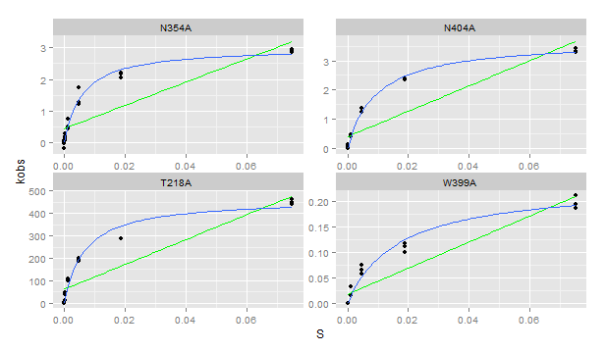
Plate | Sample | Yield | Dilution | Well | Max V [420] | kobs | S | Vmax correction per [S] | kcat | km | kcat/km
6 | N354A | 0.342 | 0.1 | A1 | 1.11E-03 | 2.94180 | 0.07500 | 4.81E-07 | 3.01E+00 | 5.69E-03 | 5.298353E+02
6 | N354A | 0.342 | 0.1 | B1 | 8.27E-04 | 2.19310 | 0.01875 | 3.83E-07 | 3.01E+00 | 5.69E-03 | 5.298353E+02
6 | N354A | 0.342 | 0.1 | C1 | 4.84E-04 | 1.28212 | 0.00469 | 2.90E-07 | 3.01E+00 | 5.69E-03 | 5.298353E+02
6 | N354A | 0.342 | 0.1 | D1 | 2.79E-04 | 0.73907 | 0.00117 | 2.78E-07 | 3.01E+00 | 5.69E-03 | 5.298353E+02
6 | N354A | 0.342 | 0.1 | E1 | 1.03E-04 | 0.27313 | 0.00029 | 1.57E-07 | 3.01E+00 | 5.69E-03 | 5.298353E+02
6 | N354A | 0.342 | 0.1 | F1 | 5.09E-05 | 0.13496 | 0.00007 | 4.12E-07 | 3.01E+00 | 5.69E-03 | 5.298353E+02
6 | N354A | 0.342 | 0.1 | G1 | -6.73E-05 | -0.17834 | 0.00002 | 3.65E-07 | 3.01E+00 | 5.69E-03 | 5.298353E+02
6 | N354A | 0.342 | 0.1 | H1 | -8.29E-18 | 0.00000 | 0.00000 | 4.26E-07 | 3.01E+00 | 5.69E-03 | 5.298353E+02
6 | N354A | 0.342 | 0.1 | A2 | 1.10E-03 | 2.92734 | 0.07500 | 4.81E-07 | 3.01E+00 | 5.69E-03 | 5.298353E+02
6 | N354A | 0.342 | 0.1 | B2 | 8.18E-04 | 2.16900 | 0.01875 | 3.83E-07 | 3.01E+00 | 5.69E-03 | 5.298353E+02
6 | N354A | 0.342 | 0.1 | C2 | 4.61E-04 | 1.22106 | 0.00469 | 2.90E-07 | 3.01E+00 | 5.69E-03 | 5.298353E+02
6 | N354A | 0.342 | 0.1 | D2 | 1.95E-04 | 0.51574 | 0.00117 | 2.78E-07 | 3.01E+00 | 5.69E-03 | 5.298353E+02
6 | N354A | 0.342 | 0.1 | E2 | 7.03E-05 | 0.18637 | 0.00029 | 1.57E-07 | 3.01E+00 | 5.69E-03 | 5.298353E+02
6 | N354A | 0.342 | 0.1 | F2 | 2.91E-05 | 0.07712 | 0.00007 | 4.12E-07 | 3.01E+00 | 5.69E-03 | 5.298353E+02
6 | N354A | 0.342 | 0.1 | G2 | 3.37E-18 | 0.00000 | 0.00002 | 3.65E-07 | 3.01E+00 | 5.69E-03 | 5.298353E+02
6 | N354A | 0.342 | 0.1 | H2 | -7.83E-06 | -0.02075 | 0.00000 | 4.26E-07 | 3.01E+00 | 5.69E-03 | 5.298353E+02
6 | N354A | 0.342 | 0.1 | A3 | 1.07E-03 | 2.84379 | 0.07500 | 4.81E-07 | 3.01E+00 | 5.69E-03 | 5.298353E+02
6 | N354A | 0.342 | 0.1 | B3 | 7.78E-04 | 2.06135 | 0.01875 | 3.83E-07 | 3.01E+00 | 5.69E-03 | 5.298353E+02
6 | N354A | 0.342 | 0.1 | C3 | 6.55E-04 | 1.73520 | 0.00469 | 2.90E-07 | 3.01E+00 | 5.69E-03 | 5.298353E+02
6 | N354A | 0.342 | 0.1 | D3 | 1.67E-04 | 0.44344 | 0.00117 | 2.78E-07 | 3.01E+00 | 5.69E-03 | 5.298353E+02
6 | N354A | 0.342 | 0.1 | E3 | 7.70E-05 | 0.20405 | 0.00029 | 1.57E-07 | 3.01E+00 | 5.69E-03 | 5.298353E+02
6 | N354A | 0.342 | 0.1 | F3 | 2.24E-05 | 0.05945 | 0.00007 | 4.12E-07 | 3.01E+00 | 5.69E-03 | 5.298353E+02
6 | N354A | 0.342 | 0.1 | G3 | 2.38E-05 | 0.06312 | 0.00002 | 3.65E-07 | 3.01E+00 | 5.69E-03 | 5.298353E+02
6 | N354A | 0.342 | 0.1 | H3 | 1.58E-05 | 0.04197 | 0.00000 | 4.26E-07 | 3.01E+00 | 5.69E-03 | 5.298353E+02
6 | N404A | 1.413 | 0.1 | A4 | 5.17E-03 | 3.31904 | 0.07500 | 4.81E-07 | 3.70489627 | 0.009415325 | 3.934964E+02
6 | N404A | 1.413 | 0.1 | B4 | 3.73E-03 | 2.39235 | 0.01875 | 3.83E-07 | 3.70489627 | 0.009415325 | 3.934964E+02
6 | N404A | 1.413 | 0.1 | C4 | 1.95E-03 | 1.25334 | 0.00469 | 2.90E-07 | 3.70489627 | 0.009415325 | 3.934964E+02
6 | N404A | 1.413 | 0.1 | D4 | 6.55E-04 | 0.41998 | 0.00117 | 2.78E-07 | 3.70489627 | 0.009415325 | 3.934964E+02
6 | N404A | 1.413 | 0.1 | E4 | 1.63E-04 | 0.10461 | 0.00029 | 1.57E-07 | 3.70489627 | 0.009415325 | 3.934964E+02
6 | N404A | 1.413 | 0.1 | F4 | 6.00E-05 | 0.03850 | 0.00007 | 4.12E-07 | 3.70489627 | 0.009415325 | 3.934964E+02
6 | N404A | 1.413 | 0.1 | G4 | 4.00E-05 | 0.02567 | 0.00002 | 3.65E-07 | 3.70489627 | 0.009415325 | 3.934964E+02
6 | N404A | 1.413 | 0.1 | H4 | 3.65E-18 | 0.00000 | 0.00000 | 4.26E-07 | 3.70489627 | 0.009415325 | 3.934964E+02
6 | N404A | 1.413 | 0.1 | A5 | 5.10E-03 | 3.27160 | 0.07500 | 4.81E-07 | 3.70489627 | 0.009415325 | 3.934964E+02
6 | N404A | 1.413 | 0.1 | B5 | 3.71E-03 | 2.37913 | 0.01875 | 3.83E-07 | 3.70489627 | 0.009415325 | 3.934964E+02
6 | N404A | 1.413 | 0.1 | C5 | 2.16E-03 | 1.38750 | 0.00469 | 2.90E-07 | 3.70489627 | 0.009415325 | 3.934964E+02
6 | N404A | 1.413 | 0.1 | D5 | 7.52E-04 | 0.48259 | 0.00117 | 2.78E-07 | 3.70489627 | 0.009415325 | 3.934964E+02
6 | N404A | 1.413 | 0.1 | E5 | 2.21E-04 | 0.14155 | 0.00029 | 1.57E-07 | 3.70489627 | 0.009415325 | 3.934964E+02
6 | N404A | 1.413 | 0.1 | F5 | 6.33E-05 | 0.04059 | 0.00007 | 4.12E-07 | 3.70489627 | 0.009415325 | 3.934964E+02
6 | N404A | 1.413 | 0.1 | G5 | 0.00E+00 | 0.00000 | 0.00002 | 3.65E-07 | 3.70489627 | 0.009415325 | 3.934964E+02
6 | N404A | 1.413 | 0.1 | H5 | 4.10E-18 | 0.00000 | 0.00000 | 4.26E-07 | 3.70489627 | 0.009415325 | 3.934964E+02
6 | N404A | 1.413 | 0.1 | A6 | 5.32E-03 | 3.41665 | 0.07500 | 4.81E-07 | 3.70489627 | 0.009415325 | 3.934964E+02
6 | N404A | 1.413 | 0.1 | B6 | 3.66E-03 | 2.34530 | 0.01875 | 3.83E-07 | 3.70489627 | 0.009415325 | 3.934964E+02
6 | N404A | 1.413 | 0.1 | C6 | 1.92E-03 | 1.23117 | 0.00469 | 2.90E-07 | 3.70489627 | 0.009415325 | 3.934964E+02
6 | N404A | 1.413 | 0.1 | D6 | 6.62E-04 | 0.42504 | 0.00117 | 2.78E-07 | 3.70489627 | 0.009415325 | 3.934964E+02
6 | N404A | 1.413 | 0.1 | E6 | 1.65E-04 | 0.10577 | 0.00029 | 1.57E-07 | 3.70489627 | 0.009415325 | 3.934964E+02
6 | N404A | 1.413 | 0.1 | F6 | 4.86E-05 | 0.03118 | 0.00007 | 4.12E-07 | 3.70489627 | 0.009415325 | 3.934964E+02
6 | N404A | 1.413 | 0.1 | G6 | 4.36E-05 | 0.02800 | 0.00002 | 3.65E-07 | 3.70489627 | 0.009415325 | 3.934964E+02
6 | N404A | 1.413 | 0.1 | H6 | -8.13E-18 | 0.00000 | 0.00000 | 4.26E-07 | 3.70489627 | 0.009415325 | 3.934964E+02
6 | W399A | 0.957 | 0.1 | A7 | 1.97E-04 | 0.18660 | 0.07500 | 4.81E-07 | 0.23517024 | 0.01664976 | 1.412454E+01
6 | W399A | 0.957 | 0.1 | B7 | 1.18E-04 | 0.11139 | 0.01875 | 3.83E-07 | 0.23517024 | 0.01664976 | 1.412454E+01
6 | W399A | 0.957 | 0.1 | C7 | 7.82E-05 | 0.07407 | 0.00469 | 2.90E-07 | 0.23517024 | 0.01664976 | 1.412454E+01
6 | W399A | 0.957 | 0.1 | D7 | 3.51E-05 | 0.03322 | 0.00117 | 2.78E-07 | 0.23517024 | 0.01664976 | 1.412454E+01
6 | W399A | 0.957 | 0.1 | E7 | 2.48E-18 | 0.00000 | 0.00029 | 1.57E-07 | 0.23517024 | 0.01664976 | 1.412454E+01
6 | W399A | 0.957 | 0.1 | F7 | 0.00E+00 | 0.00000 | 0.00007 | 4.12E-07 | 0.23517024 | 0.01664976 | 1.412454E+01
6 | W399A | 0.957 | 0.1 | G7 | -2.25E-18 | 0.00000 | 0.00002 | 3.65E-07 | 0.23517024 | 0.01664976 | 1.412454E+01
6 | W399A | 0.957 | 0.1 | H7 | -3.77E-18 | 0.00000 | 0.00000 | 4.26E-07 | 0.23517024 | 0.01664976 | 1.412454E+01
6 | W399A | 0.957 | 0.1 | A8 | 2.06E-04 | 0.19522 | 0.07500 | 4.81E-07 | 0.23517024 | 0.01664976 | 1.412454E+01
6 | W399A | 0.957 | 0.1 | B8 | 1.06E-04 | 0.10048 | 0.01875 | 3.83E-07 | 0.23517024 | 0.01664976 | 1.412454E+01
6 | W399A | 0.957 | 0.1 | C8 | 6.06E-05 | 0.05742 | 0.00469 | 2.90E-07 | 0.23517024 | 0.01664976 | 1.412454E+01
6 | W399A | 0.957 | 0.1 | D8 | 1.56E-05 | 0.01482 | 0.00117 | 2.78E-07 | 0.23517024 | 0.01664976 | 1.412454E+01
6 | W399A | 0.957 | 0.1 | E8 | -1.11E-18 | 0.00000 | 0.00029 | 1.57E-07 | 0.23517024 | 0.01664976 | 1.412454E+01
6 | W399A | 0.957 | 0.1 | F8 | 7.88E-18 | 0.00000 | 0.00007 | 4.12E-07 | 0.23517024 | 0.01664976 | 1.412454E+01
6 | W399A | 0.957 | 0.1 | G8 | 5.17E-18 | 0.00000 | 0.00002 | 3.65E-07 | 0.23517024 | 0.01664976 | 1.412454E+01
6 | W399A | 0.957 | 0.1 | H8 | 0.00E+00 | 0.00000 | 0.00000 | 4.26E-07 | 0.23517024 | 0.01664976 | 1.412454E+01
6 | W399A | 0.957 | 0.1 | A9 | 2.23E-04 | 0.21129 | 0.07500 | 4.81E-07 | 0.23517024 | 0.01664976 | 1.412454E+01
6 | W399A | 0.957 | 0.1 | B9 | 1.23E-04 | 0.11656 | 0.01875 | 3.83E-07 | 0.23517024 | 0.01664976 | 1.412454E+01
6 | W399A | 0.957 | 0.1 | C9 | 6.85E-05 | 0.06488 | 0.00469 | 2.90E-07 | 0.23517024 | 0.01664976 | 1.412454E+01
6 | W399A | 0.957 | 0.1 | D9 | 3.37E-05 | 0.03189 | 0.00117 | 2.78E-07 | 0.23517024 | 0.01664976 | 1.412454E+01
6 | W399A | 0.957 | 0.1 | E9 | 3.91E-18 | 0.00000 | 0.00029 | 1.57E-07 | 0.23517024 | 0.01664976 | 1.412454E+01
6 | W399A | 0.957 | 0.1 | F9 | 4.96E-18 | 0.00000 | 0.00007 | 4.12E-07 | 0.23517024 | 0.01664976 | 1.412454E+01
6 | W399A | 0.957 | 0.1 | G9 | -2.30E-17 | 0.00000 | 0.00002 | 3.65E-07 | 0.23517024 | 0.01664976 | 1.412454E+01
6 | W399A | 0.957 | 0.1 | H9 | -7.76E-18 | 0.00000 | 0.00000 | 4.26E-07 | 0.23517024 | 0.01664976 | 1.412454E+01
6 | T218A | 0.977 | 0.01 | A10 | 4.82E-02 | 447.60305 | 0.07500 | 4.81E-07 | 4.55E+02 | 8.35E-03 | 5.445116E+04
6 | T218A | 0.977 | 0.01 | B10 | 1.36E-02 | 126.63883 | 0.01875 | 3.83E-07 | 4.55E+02 | 8.35E-03 | 5.445116E+04
6 | T218A | 0.977 | 0.01 | C10 | 2.00E-02 | 185.26490 | 0.00469 | 2.90E-07 | 4.55E+02 | 8.35E-03 | 5.445116E+04
6 | T218A | 0.977 | 0.01 | D10 | 1.17E-02 | 108.71469 | 0.00117 | 2.78E-07 | 4.55E+02 | 8.35E-03 | 5.445116E+04
6 | T218A | 0.977 | 0.01 | E10 | 4.56E-03 | 42.36105 | 0.00029 | 1.57E-07 | 4.55E+02 | 8.35E-03 | 5.445116E+04
6 | T218A | 0.977 | 0.01 | F10 | 1.29E-03 | 11.94568 | 0.00007 | 4.12E-07 | 4.55E+02 | 8.35E-03 | 5.445116E+04
6 | T218A | 0.977 | 0.01 | G10 | 3.61E-04 | 3.35199 | 0.00002 | 3.65E-07 | 4.55E+02 | 8.35E-03 | 5.445116E+04
6 | T218A | 0.977 | 0.01 | H10 | -3.57E-18 | 0.00000 | 0.00000 | 4.26E-07 | 4.55E+02 | 8.35E-03 | 5.445116E+04
6 | T218A | 0.977 | 0.01 | A11 | 4.75E-02 | 441.18029 | 0.07500 | 4.81E-07 | 4.55E+02 | 8.35E-03 | 5.445116E+04
6 | T218A | 0.977 | 0.01 | B11 | 3.12E-02 | 289.62088 | 0.01875 | 3.83E-07 | 4.55E+02 | 8.35E-03 | 5.445116E+04
6 | T218A | 0.977 | 0.01 | C11 | 2.16E-02 | 200.31511 | 0.00469 | 2.90E-07 | 4.55E+02 | 8.35E-03 | 5.445116E+04
6 | T218A | 0.977 | 0.01 | D11 | 1.17E-02 | 108.51784 | 0.00117 | 2.78E-07 | 4.55E+02 | 8.35E-03 | 5.445116E+04
6 | T218A | 0.977 | 0.01 | E11 | 4.97E-03 | 46.11797 | 0.00029 | 1.57E-07 | 4.55E+02 | 8.35E-03 | 5.445116E+04
6 | T218A | 0.977 | 0.01 | F11 | 1.48E-03 | 13.70041 | 0.00007 | 4.12E-07 | 4.55E+02 | 8.35E-03 | 5.445116E+04
6 | T218A | 0.977 | 0.01 | G11 | 3.84E-04 | 3.56008 | 0.00002 | 3.65E-07 | 4.55E+02 | 8.35E-03 | 5.445116E+04
6 | T218A | 0.977 | 0.01 | H11 | -1.07E-05 | -0.09949 | 0.00000 | 4.26E-07 | 4.55E+02 | 8.35E-03 | 5.445116E+04
6 | T218A | 0.977 | 0.01 | A12 | 5.00E-02 | 463.85684 | 0.07500 | 4.81E-07 | 4.55E+02 | 8.35E-03 | 5.445116E+04
6 | T218A | 0.977 | 0.01 | B12 | 3.09E-02 | 286.42073 | 0.01875 | 3.83E-07 | 4.55E+02 | 8.35E-03 | 5.445116E+04
6 | T218A | 0.977 | 0.01 | C12 | 2.11E-02 | 196.01264 | 0.00469 | 2.90E-07 | 4.55E+02 | 8.35E-03 | 5.445116E+04
6 | T218A | 0.977 | 0.01 | D12 | 1.09E-02 | 101.56640 | 0.00117 | 2.78E-07 | 4.55E+02 | 8.35E-03 | 5.445116E+04
6 | T218A | 0.977 | 0.01 | E12 | 4.26E-03 | 39.49836 | 0.00029 | 1.57E-07 | 4.55E+02 | 8.35E-03 | 5.445116E+04
6 | T218A | 0.977 | 0.01 | F12 | 1.19E-03 | 11.06269 | 0.00007 | 4.12E-07 | 4.55E+02 | 8.35E-03 | 5.445116E+04
6 | T218A | 0.977 | 0.01 | G12 | 3.23E-04 | 2.99767 | 0.00002 | 3.65E-07 | 4.55E+02 | 8.35E-03 | 5.445116E+04
6 | T218A | 0.977 | 0.01 | H12 | -1.68E-18 | 0.00000 | 0.00000 | 4.26E-07 | 4.55E+02 | 8.35E-03 | 5.445116E+04

Plate 7
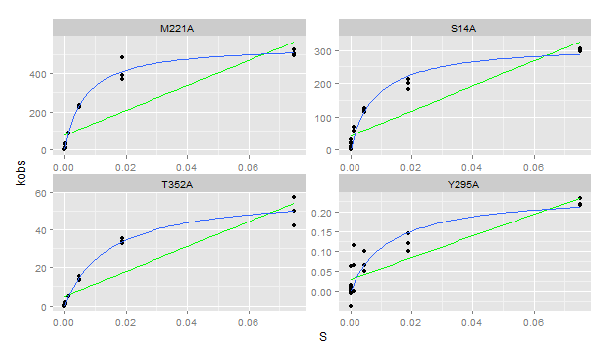
Plate | Sample | Yield | Dilution | Well | Max V [420] | kobs | S | Vmax correction per [S] | kcat | km | kcat/km
7 | M221A | 0.73 | 0.01 | A1 | 4.22E-02 | 524.119965 | 0.07500 | 4.81E-07 | 553.77351166 | 0.00641858 | 8.627664E+04
7 | M221A | 0.73 | 0.01 | B1 | 3.91E-02 | 485.265038 | 0.01875 | 3.83E-07 | 553.77351166 | 0.00641858 | 8.627664E+04
7 | M221A | 0.73 | 0.01 | C1 | 1.80E-02 | 223.216345 | 0.00469 | 2.90E-07 | 553.77351166 | 0.00641858 | 8.627664E+04
7 | M221A | 0.73 | 0.01 | D1 | 6.91E-03 | 85.763853 | 0.00117 | 2.78E-07 | 553.77351166 | 0.00641858 | 8.627664E+04
7 | M221A | 0.73 | 0.01 | E1 | 2.06E-03 | 25.562054 | 0.00029 | 1.57E-07 | 553.77351166 | 0.00641858 | 8.627664E+04
7 | M221A | 0.73 | 0.01 | F1 | 5.93E-04 | 7.361510 | 0.00007 | 4.12E-07 | 553.77351166 | 0.00641858 | 8.627664E+04
7 | M221A | 0.73 | 0.01 | G1 | 1.61E-04 | 1.994683 | 0.00002 | 3.65E-07 | 553.77351166 | 0.00641858 | 8.627664E+04
7 | M221A | 0.73 | 0.01 | H1 | 2.14E-05 | 0.265739 | 0.00000 | 4.26E-07 | 553.77351166 | 0.00641858 | 8.627664E+04
7 | M221A | 0.73 | 0.01 | A2 | 4.08E-02 | 507.071071 | 0.07500 | 4.81E-07 | 553.77351166 | 0.00641858 | 8.627664E+04
7 | M221A | 0.73 | 0.01 | B2 | 3.17E-02 | 393.133250 | 0.01875 | 3.83E-07 | 553.77351166 | 0.00641858 | 8.627664E+04
7 | M221A | 0.73 | 0.01 | C2 | 1.83E-02 | 227.792828 | 0.00469 | 2.90E-07 | 553.77351166 | 0.00641858 | 8.627664E+04
7 | M221A | 0.73 | 0.01 | D2 | 7.19E-03 | 89.339229 | 0.00117 | 2.78E-07 | 553.77351166 | 0.00641858 | 8.627664E+04
7 | M221A | 0.73 | 0.01 | E2 | 2.07E-03 | 25.697542 | 0.00029 | 1.57E-07 | 553.77351166 | 0.00641858 | 8.627664E+04
7 | M221A | 0.73 | 0.01 | F2 | 5.19E-04 | 6.443203 | 0.00007 | 4.12E-07 | 553.77351166 | 0.00641858 | 8.627664E+04
7 | M221A | 0.73 | 0.01 | G2 | 1.30E-04 | 1.610801 | 0.00002 | 3.65E-07 | 553.77351166 | 0.00641858 | 8.627664E+04
7 | M221A | 0.73 | 0.01 | H2 | 1.52E-05 | 0.188178 | 0.00000 | 4.26E-07 | 553.77351166 | 0.00641858 | 8.627664E+04
7 | M221A | 0.73 | 0.01 | A3 | 3.98E-02 | 493.755622 | 0.07500 | 4.81E-07 | 553.77351166 | 0.00641858 | 8.627664E+04
7 | M221A | 0.73 | 0.01 | B3 | 2.99E-02 | 371.936926 | 0.01875 | 3.83E-07 | 553.77351166 | 0.00641858 | 8.627664E+04
7 | M221A | 0.73 | 0.01 | C3 | 1.89E-02 | 235.252190 | 0.00469 | 2.90E-07 | 553.77351166 | 0.00641858 | 8.627664E+04
7 | M221A | 0.73 | 0.01 | D3 | 7.28E-03 | 90.438187 | 0.00117 | 2.78E-07 | 553.77351166 | 0.00641858 | 8.627664E+04
7 | M221A | 0.73 | 0.01 | E3 | 2.43E-03 | 30.221333 | 0.00029 | 1.57E-07 | 553.77351166 | 0.00641858 | 8.627664E+04
7 | M221A | 0.73 | 0.01 | F3 | 6.81E-04 | 8.460468 | 0.00007 | 4.12E-07 | 553.77351166 | 0.00641858 | 8.627664E+04
7 | M221A | 0.73 | 0.01 | G3 | 2.12E-04 | 2.626960 | 0.00002 | 3.65E-07 | 553.77351166 | 0.00641858 | 8.627664E+04
7 | M221A | 0.73 | 0.01 | H3 | 3.72E-05 | 0.462340 | 0.00000 | 4.26E-07 | 553.77351166 | 0.00641858 | 8.627664E+04
7 | T352A | 0.7 | 0.01 | A4 | 3.27E-03 | 42.404063 | 0.07500 | 4.81E-07 | 59.51449463 | 0.01425793 | 4.174133E+03
7 | T352A | 0.7 | 0.01 | B4 | 2.74E-03 | 35.527728 | 0.01875 | 3.83E-07 | 59.51449463 | 0.01425793 | 4.174133E+03
7 | T352A | 0.7 | 0.01 | C4 | 1.19E-03 | 15.361857 | 0.00469 | 2.90E-07 | 59.51449463 | 0.01425793 | 4.174133E+03
7 | T352A | 0.7 | 0.01 | D4 | 3.99E-04 | 5.165101 | 0.00117 | 2.78E-07 | 59.51449463 | 0.01425793 | 4.174133E+03
7 | T352A | 0.7 | 0.01 | E4 | 1.53E-04 | 1.978124 | 0.00029 | 1.57E-07 | 59.51449463 | 0.01425793 | 4.174133E+03
7 | T352A | 0.7 | 0.01 | F4 | 1.15E-04 | 1.483593 | 0.00007 | 4.12E-07 | 59.51449463 | 0.01425793 | 4.174133E+03
7 | T352A | 0.7 | 0.01 | G4 | -1.32E-17 | 0.000000 | 0.00002 | 3.65E-07 | 59.51449463 | 0.01425793 | 4.174133E+03
7 | T352A | 0.7 | 0.01 | H4 | -7.09E-06 | -0.091867 | 0.00000 | 4.26E-07 | 59.51449463 | 0.01425793 | 4.174133E+03
7 | T352A | 0.7 | 0.01 | A5 | 3.88E-03 | 50.238061 | 0.07500 | 4.81E-07 | 59.51449463 | 0.01425793 | 4.174133E+03
7 | T352A | 0.7 | 0.01 | B5 | 2.62E-03 | 33.957789 | 0.01875 | 3.83E-07 | 59.51449463 | 0.01425793 | 4.174133E+03
7 | T352A | 0.7 | 0.01 | C5 | 1.05E-03 | 13.658473 | 0.00469 | 2.90E-07 | 59.51449463 | 0.01425793 | 4.174133E+03
7 | T352A | 0.7 | 0.01 | D5 | 3.99E-04 | 5.172950 | 0.00117 | 2.78E-07 | 59.51449463 | 0.01425793 | 4.174133E+03
7 | T352A | 0.7 | 0.01 | E5 | 1.23E-04 | 1.593488 | 0.00029 | 1.57E-07 | 59.51449463 | 0.01425793 | 4.174133E+03
7 | T352A | 0.7 | 0.01 | F5 | 4.67E-05 | 0.604427 | 0.00007 | 4.12E-07 | 59.51449463 | 0.01425793 | 4.174133E+03
7 | T352A | 0.7 | 0.01 | G5 | -5.58E-18 | 0.000000 | 0.00002 | 3.65E-07 | 59.51449463 | 0.01425793 | 4.174133E+03
7 | T352A | 0.7 | 0.01 | H5 | 1.33E-17 | 0.000000 | 0.00000 | 4.26E-07 | 59.51449463 | 0.01425793 | 4.174133E+03
7 | T352A | 0.7 | 0.01 | A6 | 4.41E-03 | 57.145794 | 0.07500 | 4.81E-07 | 59.51449463 | 0.01425793 | 4.174133E+03
7 | T352A | 0.7 | 0.01 | B6 | 2.53E-03 | 32.748935 | 0.01875 | 3.83E-07 | 59.51449463 | 0.01425793 | 4.174133E+03
7 | T352A | 0.7 | 0.01 | C6 | 1.04E-03 | 13.438682 | 0.00469 | 2.90E-07 | 59.51449463 | 0.01425793 | 4.174133E+03
7 | T352A | 0.7 | 0.01 | D6 | 3.69E-04 | 4.780465 | 0.00117 | 2.78E-07 | 59.51449463 | 0.01425793 | 4.174133E+03
7 | T352A | 0.7 | 0.01 | E6 | 1.34E-04 | 1.734783 | 0.00029 | 1.57E-07 | 59.51449463 | 0.01425793 | 4.174133E+03
7 | T352A | 0.7 | 0.01 | F6 | 7.31E-05 | 0.947351 | 0.00007 | 4.12E-07 | 59.51449463 | 0.01425793 | 4.174133E+03
7 | T352A | 0.7 | 0.01 | G6 | 2.93E-18 | 0.000000 | 0.00002 | 3.65E-07 | 59.51449463 | 0.01425793 | 4.174133E+03
7 | T352A | 0.7 | 0.01 | H6 | 9.08E-06 | 0.117570 | 0.00000 | 4.26E-07 | 59.51449463 | 0.01425793 | 4.174133E+03
7 | S14A | 0.601 | 0.01 | A7 | 1.96E-02 | 295.923132 | 0.07500 | 4.81E-07 | 3.20E+02 | 8.25E-03 | 3.882275E+04
7 | S14A | 0.601 | 0.01 | B7 | 1.42E-02 | 213.857881 | 0.01875 | 3.83E-07 | 3.20E+02 | 8.25E-03 | 3.882275E+04
7 | S14A | 0.601 | 0.01 | C7 | 8.43E-03 | 127.129826 | 0.00469 | 2.90E-07 | 3.20E+02 | 8.25E-03 | 3.882275E+04
7 | S14A | 0.601 | 0.01 | D7 | 4.61E-03 | 69.484838 | 0.00117 | 2.78E-07 | 3.20E+02 | 8.25E-03 | 3.882275E+04
7 | S14A | 0.601 | 0.01 | E7 | 1.91E-03 | 28.863636 | 0.00029 | 1.57E-07 | 3.20E+02 | 8.25E-03 | 3.882275E+04
7 | S14A | 0.601 | 0.01 | F7 | 5.07E-04 | 7.652475 | 0.00007 | 4.12E-07 | 3.20E+02 | 8.25E-03 | 3.882275E+04
7 | S14A | 0.601 | 0.01 | G7 | 1.27E-04 | 1.919976 | 0.00002 | 3.65E-07 | 3.20E+02 | 8.25E-03 | 3.882275E+04
7 | S14A | 0.601 | 0.01 | H7 | 4.73E-05 | 0.713724 | 0.00000 | 4.26E-07 | 3.20E+02 | 8.25E-03 | 3.882275E+04
7 | S14A | 0.601 | 0.01 | A8 | 2.01E-02 | 302.615614 | 0.07500 | 4.81E-07 | 3.20E+02 | 8.25E-03 | 3.882275E+04
7 | S14A | 0.601 | 0.01 | B8 | 1.22E-02 | 183.805677 | 0.01875 | 3.83E-07 | 3.20E+02 | 8.25E-03 | 3.882275E+04
7 | S14A | 0.601 | 0.01 | C8 | 7.57E-03 | 114.247702 | 0.00469 | 2.90E-07 | 3.20E+02 | 8.25E-03 | 3.882275E+04
7 | S14A | 0.601 | 0.01 | D8 | 3.69E-03 | 55.715869 | 0.00117 | 2.78E-07 | 3.20E+02 | 8.25E-03 | 3.882275E+04
7 | S14A | 0.601 | 0.01 | E8 | 1.30E-03 | 19.684324 | 0.00029 | 1.57E-07 | 3.20E+02 | 8.25E-03 | 3.882275E+04
7 | S14A | 0.601 | 0.01 | F8 | 3.80E-04 | 5.732499 | 0.00007 | 4.12E-07 | 3.20E+02 | 8.25E-03 | 3.882275E+04
7 | S14A | 0.601 | 0.01 | G8 | 1.24E-04 | 1.865119 | 0.00002 | 3.65E-07 | 3.20E+02 | 8.25E-03 | 3.882275E+04
7 | S14A | 0.601 | 0.01 | H8 | -1.31E-17 | 0.000000 | 0.00000 | 4.26E-07 | 3.20E+02 | 8.25E-03 | 3.882275E+04
7 | S14A | 0.601 | 0.01 | A9 | 2.02E-02 | 305.129873 | 0.07500 | 4.81E-07 | 3.20E+02 | 8.25E-03 | 3.882275E+04
7 | S14A | 0.601 | 0.01 | B9 | 1.33E-02 | 200.811181 | 0.01875 | 3.83E-07 | 3.20E+02 | 8.25E-03 | 3.882275E+04
7 | S14A | 0.601 | 0.01 | C9 | 7.99E-03 | 120.519624 | 0.00469 | 2.90E-07 | 3.20E+02 | 8.25E-03 | 3.882275E+04
7 | S14A | 0.601 | 0.01 | D9 | 3.85E-03 | 58.028983 | 0.00117 | 2.78E-07 | 3.20E+02 | 8.25E-03 | 3.882275E+04
7 | S14A | 0.601 | 0.01 | E9 | 1.21E-03 | 18.230627 | 0.00029 | 1.57E-07 | 3.20E+02 | 8.25E-03 | 3.882275E+04
7 | S14A | 0.601 | 0.01 | F9 | 4.07E-04 | 6.143923 | 0.00007 | 4.12E-07 | 3.20E+02 | 8.25E-03 | 3.882275E+04
7 | S14A | 0.601 | 0.01 | G9 | 1.03E-04 | 1.554266 | 0.00002 | 3.65E-07 | 3.20E+02 | 8.25E-03 | 3.882275E+04
7 | S14A | 0.601 | 0.01 | H9 | -7.09E-06 | -0.107000 | 0.00000 | 4.26E-07 | 3.20E+02 | 8.25E-03 | 3.882275E+04
7 | Y295A | 0.69 | 0.1 | A10 | 1.78E-04 | 0.233329 | 0.07500 | 4.81E-07 | 0.24788239 | 0.01295093 | 1.914012E+01
7 | Y295A | 0.69 | 0.1 | B10 | 7.64E-05 | 0.100340 | 0.01875 | 3.83E-07 | 0.24788239 | 0.01295093 | 1.914012E+01
7 | Y295A | 0.69 | 0.1 | C10 | 7.52E-05 | 0.098747 | 0.00469 | 2.90E-07 | 0.24788239 | 0.01295093 | 1.914012E+01
7 | Y295A | 0.69 | 0.1 | D10 | 4.91E-05 | 0.064504 | 0.00117 | 2.78E-07 | 0.24788239 | 0.01295093 | 1.914012E+01
7 | Y295A | 0.69 | 0.1 | E10 | 3.12E-06 | 0.004101 | 0.00029 | 1.57E-07 | 0.24788239 | 0.01295093 | 1.914012E+01
7 | Y295A | 0.69 | 0.1 | F10 | 6.61E-06 | 0.008689 | 0.00007 | 4.12E-07 | 0.24788239 | 0.01295093 | 1.914012E+01
7 | Y295A | 0.69 | 0.1 | G10 | 1.27E-05 | 0.016723 | 0.00002 | 3.65E-07 | 0.24788239 | 0.01295093 | 1.914012E+01
7 | Y295A | 0.69 | 0.1 | H10 | -2.98E-06 | -0.003911 | 0.00000 | 4.26E-07 | 0.24788239 | 0.01295093 | 1.914012E+01
7 | Y295A | 0.69 | 0.1 | A11 | 1.65E-04 | 0.217402 | 0.07500 | 4.81E-07 | 0.24788239 | 0.01295093 | 1.914012E+01
7 | Y295A | 0.69 | 0.1 | B11 | 9.15E-05 | 0.120248 | 0.01875 | 3.83E-07 | 0.24788239 | 0.01295093 | 1.914012E+01
7 | Y295A | 0.69 | 0.1 | C11 | 3.90E-05 | 0.051302 | 0.00469 | 2.90E-07 | 0.24788239 | 0.01295093 | 1.914012E+01
7 | Y295A | 0.69 | 0.1 | D11 | 8.73E-05 | 0.114674 | 0.00117 | 2.78E-07 | 0.24788239 | 0.01295093 | 1.914012E+01
7 | Y295A | 0.69 | 0.1 | E11 | 8.64E-06 | 0.011348 | 0.00029 | 1.57E-07 | 0.24788239 | 0.01295093 | 1.914012E+01
7 | Y295A | 0.69 | 0.1 | F11 | 8.74E-06 | 0.011489 | 0.00007 | 4.12E-07 | 0.24788239 | 0.01295093 | 1.914012E+01
7 | Y295A | 0.69 | 0.1 | G11 | 1.27E-05 | 0.016723 | 0.00002 | 3.65E-07 | 0.24788239 | 0.01295093 | 1.914012E+01
7 | Y295A | 0.69 | 0.1 | H11 | -2.73E-05 | -0.035836 | 0.00000 | 4.26E-07 | 0.24788239 | 0.01295093 | 1.914012E+01
7 | Y295A | 0.69 | 0.1 | A12 | 1.65E-04 | 0.216606 | 0.07500 | 4.81E-07 | 0.24788239 | 0.01295093 | 1.914012E+01
7 | Y295A | 0.69 | 0.1 | B12 | 1.10E-04 | 0.144139 | 0.01875 | 3.83E-07 | 0.24788239 | 0.01295093 | 1.914012E+01
7 | Y295A | 0.69 | 0.1 | C12 | 5.03E-05 | 0.066097 | 0.00469 | 2.90E-07 | 0.24788239 | 0.01295093 | 1.914012E+01
7 | Y295A | 0.69 | 0.1 | D12 | -2.90E-18 | 0.000000 | 0.00117 | 2.78E-07 | 0.24788239 | 0.01295093 | 1.914012E+01
7 | Y295A | 0.69 | 0.1 | E12 | 4.73E-05 | 0.062115 | 0.00029 | 1.57E-07 | 0.24788239 | 0.01295093 | 1.914012E+01
7 | Y295A | 0.69 | 0.1 | F12 | -1.81E-18 | 0.000000 | 0.00007 | 4.12E-07 | 0.24788239 | 0.01295093 | 1.914012E+01
7 | Y295A | 0.69 | 0.1 | G12 | -2.27E-18 | 0.000000 | 0.00002 | 3.65E-07 | 0.24788239 | 0.01295093 | 1.914012E+01
7 | Y295A | 0.69 | 0.1 | H12 | 1.17E-05 | 0.015348 | 0.00000 | 4.26E-07 | 0.24788239 | 0.01295093 | 1.914012E+01

Plate 8
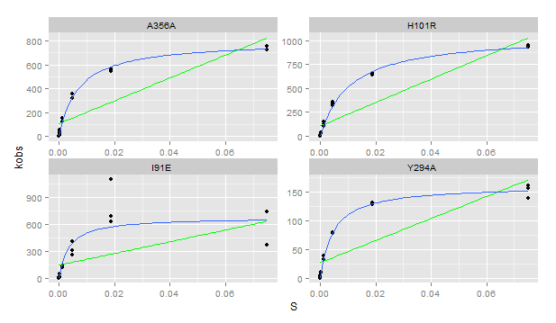
Plate | Sample | Yield | Dilution | Well | Max V [420] | kobs | S | Vmax correction per [S] | kcat | km | kcat/km
8 | Y294A | 0.591 | 0.01 | A1 | 9.06E-03 | 1.39E+02 | 0.07500 | 4.81E-07 |  |  | #DIV/0!
8 | Y294A | 0.591 | 0.01 | B1 | 8.39E-03 | 1.29E+02 | 0.01875 | 3.83E-07 |  |  | #DIV/0!
8 | Y294A | 0.591 | 0.01 | C1 | 5.19E-03 | 7.96E+01 | 0.00469 | 2.90E-07 |  |  | #DIV/0!
8 | Y294A | 0.591 | 0.01 | D1 | 2.10E-03 | 3.23E+01 | 0.00117 | 2.78E-07 |  |  | #DIV/0!
8 | Y294A | 0.591 | 0.01 | E1 | 6.21E-04 | 9.52E+00 | 0.00029 | 1.57E-07 |  |  | #DIV/0!
8 | Y294A | 0.591 | 0.01 | F1 | 1.79E-04 | 2.75E+00 | 0.00007 | 4.12E-07 |  |  | #DIV/0!
8 | Y294A | 0.591 | 0.01 | G1 | 7.03E-05 | 1.08E+00 | 0.00002 | 3.65E-07 |  |  | #DIV/0!
8 | Y294A | 0.591 | 0.01 | H1 | -2.96E-17 | -4.53E-13 | 0.00000 | 4.26E-07 |  |  | #DIV/0!
8 | Y294A | 0.591 | 0.01 | A2 | 1.04E-02 | 1.60E+02 | 0.07500 | 4.81E-07 |  |  | #DIV/0!
8 | Y294A | 0.591 | 0.01 | B2 | 8.47E-03 | 1.30E+02 | 0.01875 | 3.83E-07 |  |  | #DIV/0!
8 | Y294A | 0.591 | 0.01 | C2 | 5.20E-03 | 7.97E+01 | 0.00469 | 2.90E-07 |  |  | #DIV/0!
8 | Y294A | 0.591 | 0.01 | D2 | 2.12E-03 | 3.26E+01 | 0.00117 | 2.78E-07 |  |  | #DIV/0!
8 | Y294A | 0.591 | 0.01 | E2 | 6.92E-04 | 1.06E+01 | 0.00029 | 1.57E-07 |  |  | #DIV/0!
8 | Y294A | 0.591 | 0.01 | F2 | 1.97E-04 | 3.02E+00 | 0.00007 | 4.12E-07 |  |  | #DIV/0!
8 | Y294A | 0.591 | 0.01 | G2 | 7.27E-05 | 1.12E+00 | 0.00002 | 3.65E-07 |  |  | #DIV/0!
8 | Y294A | 0.591 | 0.01 | H2 | -2.55E-18 | -3.90E-14 | 0.00000 | 4.26E-07 |  |  | #DIV/0!
8 | Y294A | 0.591 | 0.01 | A3 | 1.01E-02 | 1.55E+02 | 0.07500 | 4.81E-07 |  |  | #DIV/0!
8 | Y294A | 0.591 | 0.01 | B3 | 8.36E-03 | 1.28E+02 | 0.01875 | 3.83E-07 |  |  | #DIV/0!
8 | Y294A | 0.591 | 0.01 | C3 | 5.08E-03 | 7.79E+01 | 0.00469 | 2.90E-07 |  |  | #DIV/0!
8 | Y294A | 0.591 | 0.01 | D3 | 2.51E-03 | 3.85E+01 | 0.00117 | 2.78E-07 |  |  | #DIV/0!
8 | Y294A | 0.591 | 0.01 | E3 | 6.87E-04 | 1.05E+01 | 0.00029 | 1.57E-07 |  |  | #DIV/0!
8 | Y294A | 0.591 | 0.01 | F3 | 2.34E-04 | 3.59E+00 | 0.00007 | 4.12E-07 |  |  | #DIV/0!
8 | Y294A | 0.591 | 0.01 | G3 | 8.02E-05 | 1.23E+00 | 0.00002 | 3.65E-07 |  |  | #DIV/0!
8 | Y294A | 0.591 | 0.01 | H3 | 1.07E-17 | 1.64E-13 | 0.00000 | 4.26E-07 |  |  | #DIV/0!
8 | H101R | 1.027 | 0.01 | A4 | 1.07E-01 | 9.48E+02 | 0.07500 | 4.81E-07 |  |  | #DIV/0!
8 | H101R | 1.027 | 0.01 | B4 | 7.46E-02 | 6.59E+02 | 0.01875 | 3.83E-07 |  |  | #DIV/0!
8 | H101R | 1.027 | 0.01 | C4 | 4.07E-02 | 3.60E+02 | 0.00469 | 2.90E-07 |  |  | #DIV/0!
8 | H101R | 1.027 | 0.01 | D4 | 1.73E-02 | 1.53E+02 | 0.00117 | 2.78E-07 |  |  | #DIV/0!
8 | H101R | 1.027 | 0.01 | E4 | 4.81E-03 | 4.25E+01 | 0.00029 | 1.57E-07 |  |  | #DIV/0!
8 | H101R | 1.027 | 0.01 | F4 | 1.42E-03 | 1.26E+01 | 0.00007 | 4.12E-07 |  |  | #DIV/0!
8 | H101R | 1.027 | 0.01 | G4 | 2.93E-04 | 2.59E+00 | 0.00002 | 3.65E-07 |  |  | #DIV/0!
8 | H101R | 1.027 | 0.01 | H4 | 8.14E-18 | 7.18E-14 | 0.00000 | 4.26E-07 |  |  | #DIV/0!
8 | H101R | 1.027 | 0.01 | A5 | 1.07E-01 | 9.43E+02 | 0.07500 | 4.81E-07 |  |  | #DIV/0!
8 | H101R | 1.027 | 0.01 | B5 | 7.27E-02 | 6.41E+02 | 0.01875 | 3.83E-07 |  |  | #DIV/0!
8 | H101R | 1.027 | 0.01 | C5 | 3.83E-02 | 3.38E+02 | 0.00469 | 2.90E-07 |  |  | #DIV/0!
8 | H101R | 1.027 | 0.01 | D5 | 1.35E-02 | 1.19E+02 | 0.00117 | 2.78E-07 |  |  | #DIV/0!
8 | H101R | 1.027 | 0.01 | E5 | 3.18E-03 | 2.80E+01 | 0.00029 | 1.57E-07 |  |  | #DIV/0!
8 | H101R | 1.027 | 0.01 | F5 | 9.66E-04 | 8.53E+00 | 0.00007 | 4.12E-07 |  |  | #DIV/0!
8 | H101R | 1.027 | 0.01 | G5 | 1.89E-04 | 1.67E+00 | 0.00002 | 3.65E-07 |  |  | #DIV/0!
8 | H101R | 1.027 | 0.01 | H5 | -3.12E-18 | -2.76E-14 | 0.00000 | 4.26E-07 |  |  | #DIV/0!
8 | H101R | 1.027 | 0.01 | A6 | 1.05E-01 | 9.31E+02 | 0.07500 | 4.81E-07 |  |  | #DIV/0!
8 | H101R | 1.027 | 0.01 | B6 | 7.28E-02 | 6.43E+02 | 0.01875 | 3.83E-07 |  |  | #DIV/0!
8 | H101R | 1.027 | 0.01 | C6 | 3.65E-02 | 3.22E+02 | 0.00469 | 2.90E-07 |  |  | #DIV/0!
8 | H101R | 1.027 | 0.01 | D6 | 1.14E-02 | 1.00E+02 | 0.00117 | 2.78E-07 |  |  | #DIV/0!
8 | H101R | 1.027 | 0.01 | E6 | 3.37E-03 | 2.98E+01 | 0.00029 | 1.57E-07 |  |  | #DIV/0!
8 | H101R | 1.027 | 0.01 | F6 | 7.25E-04 | 6.40E+00 | 0.00007 | 4.12E-07 |  |  | #DIV/0!
8 | H101R | 1.027 | 0.01 | G6 | 1.38E-04 | 1.21E+00 | 0.00002 | 3.65E-07 |  |  | #DIV/0!
8 | H101R | 1.027 | 0.01 | H6 | 1.45E-18 | 1.28E-14 | 0.00000 | 4.26E-07 |  |  | #DIV/0!
8 | A356A | 0.744 | 0.01 | A7 | 5.96E-02 | 7.27E+02 | 0.07500 | 4.81E-07 |  |  | #DIV/0!
8 | A356A | 0.744 | 0.01 | B7 | 4.68E-02 | 5.70E+02 | 0.01875 | 3.83E-07 |  |  | #DIV/0!
8 | A356A | 0.744 | 0.01 | C7 | 2.89E-02 | 3.52E+02 | 0.00469 | 2.90E-07 |  |  | #DIV/0!
8 | A356A | 0.744 | 0.01 | D7 | 1.23E-02 | 1.50E+02 | 0.00117 | 2.78E-07 |  |  | #DIV/0!
8 | A356A | 0.744 | 0.01 | E7 | 4.11E-03 | 5.01E+01 | 0.00029 | 1.57E-07 |  |  | #DIV/0!
8 | A356A | 0.744 | 0.01 | F7 | 1.16E-03 | 1.41E+01 | 0.00007 | 4.12E-07 |  |  | #DIV/0!
8 | A356A | 0.744 | 0.01 | G7 | 3.15E-04 | 3.83E+00 | 0.00002 | 3.65E-07 |  |  | #DIV/0!
8 | A356A | 0.744 | 0.01 | H7 | -4.59E-18 | -5.60E-14 | 0.00000 | 4.26E-07 |  |  | #DIV/0!
8 | A356A | 0.744 | 0.01 | A8 | 6.19E-02 | 7.54E+02 | 0.07500 | 4.81E-07 |  |  | #DIV/0!
8 | A356A | 0.744 | 0.01 | B8 | 4.47E-02 | 5.45E+02 | 0.01875 | 3.83E-07 |  |  | #DIV/0!
8 | A356A | 0.744 | 0.01 | C8 | 2.59E-02 | 3.16E+02 | 0.00469 | 2.90E-07 |  |  | #DIV/0!
8 | A356A | 0.744 | 0.01 | D8 | 9.67E-03 | 1.18E+02 | 0.00117 | 2.78E-07 |  |  | #DIV/0!
8 | A356A | 0.744 | 0.01 | E8 | 2.67E-03 | 3.25E+01 | 0.00029 | 1.57E-07 |  |  | #DIV/0!
8 | A356A | 0.744 | 0.01 | F8 | 6.79E-04 | 8.27E+00 | 0.00007 | 4.12E-07 |  |  | #DIV/0!
8 | A356A | 0.744 | 0.01 | G8 | 1.44E-04 | 1.75E+00 | 0.00002 | 3.65E-07 |  |  | #DIV/0!
8 | A356A | 0.744 | 0.01 | H8 | -5.80E-18 | -7.07E-14 | 0.00000 | 4.26E-07 |  |  | #DIV/0!
8 | A356A | 0.744 | 0.01 | A9 | 6.20E-02 | 7.56E+02 | 0.07500 | 4.81E-07 |  |  | #DIV/0!
8 | A356A | 0.744 | 0.01 | B9 | 4.61E-02 | 5.62E+02 | 0.01875 | 3.83E-07 |  |  | #DIV/0!
8 | A356A | 0.744 | 0.01 | C9 | 2.61E-02 | 3.18E+02 | 0.00469 | 2.90E-07 |  |  | #DIV/0!
8 | A356A | 0.744 | 0.01 | D9 | 1.00E-02 | 1.22E+02 | 0.00117 | 2.78E-07 |  |  | #DIV/0!
8 | A356A | 0.744 | 0.01 | E9 | 2.89E-03 | 3.52E+01 | 0.00029 | 1.57E-07 |  |  | #DIV/0!
8 | A356A | 0.744 | 0.01 | F9 | 7.07E-04 | 8.61E+00 | 0.00007 | 4.12E-07 |  |  | #DIV/0!
8 | A356A | 0.744 | 0.01 | G9 | 1.92E-04 | 2.33E+00 | 0.00002 | 3.65E-07 |  |  | #DIV/0!
8 | A356A | 0.744 | 0.01 | H9 | -1.78E-18 | -2.17E-14 | 0.00000 | 4.26E-07 |  |  | #DIV/0!
8 | I91E | 0.487 | 0.01 | A10 | 1.99E-02 | 3.71E+02 | 0.07500 | 4.81E-07 |  |  | #DIV/0!
8 | I91E | 0.487 | 0.01 | B10 | 3.38E-02 | 6.29E+02 | 0.01875 | 3.83E-07 |  |  | #DIV/0!
8 | I91E | 0.487 | 0.01 | C10 | 1.67E-02 | 3.10E+02 | 0.00469 | 2.90E-07 |  |  | #DIV/0!
8 | I91E | 0.487 | 0.01 | D10 | 6.61E-03 | 1.23E+02 | 0.00117 | 2.78E-07 |  |  | #DIV/0!
8 | I91E | 0.487 | 0.01 | E10 | 2.82E-03 | 5.25E+01 | 0.00029 | 1.57E-07 |  |  | #DIV/0!
8 | I91E | 0.487 | 0.01 | F10 | 5.38E-04 | 1.00E+01 | 0.00007 | 4.12E-07 |  |  | #DIV/0!
8 | I91E | 0.487 | 0.01 | G10 | 1.64E-04 | 3.06E+00 | 0.00002 | 3.65E-07 |  |  | #DIV/0!
...

Plate 9
...
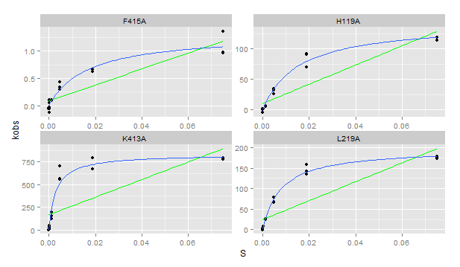
...

Plate 10
...
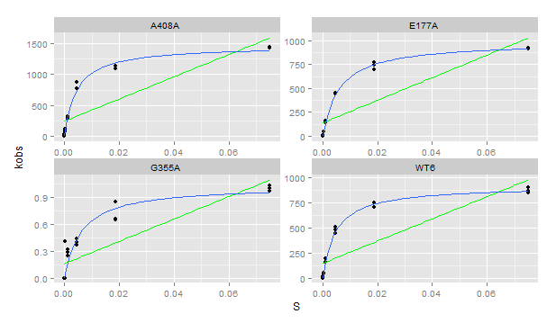
...

Plate 11
...
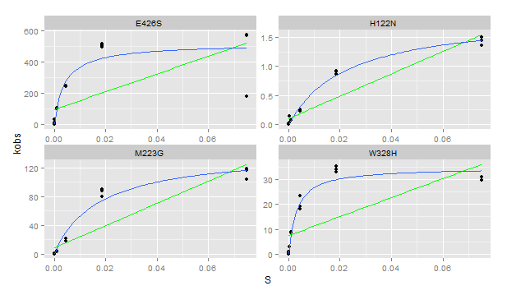
...

Plate 12
...
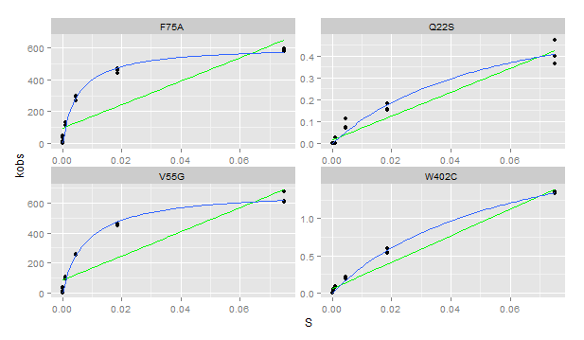
...

Plate 13
...
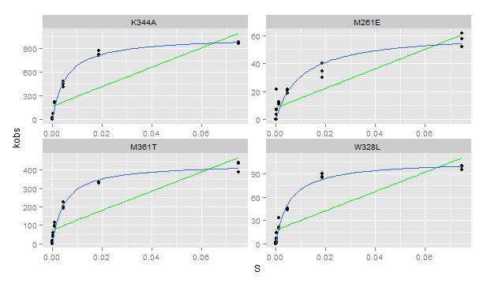
...

Plate 14
...
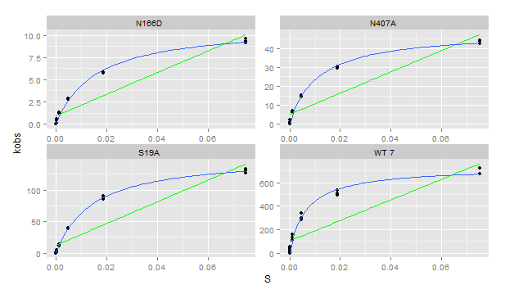
...

Plate 15
...
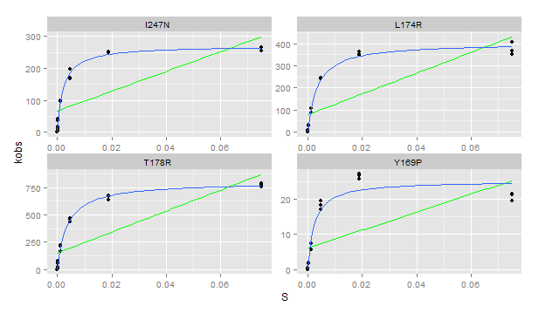
...

Plate 16
...
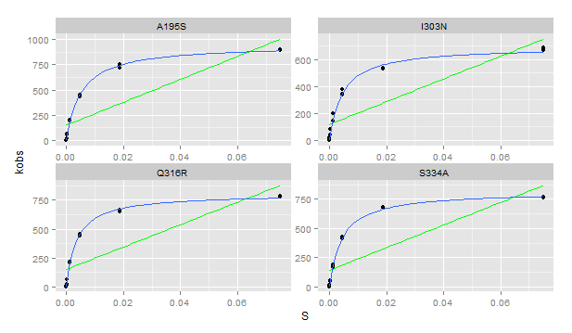
...

Plate 17
...
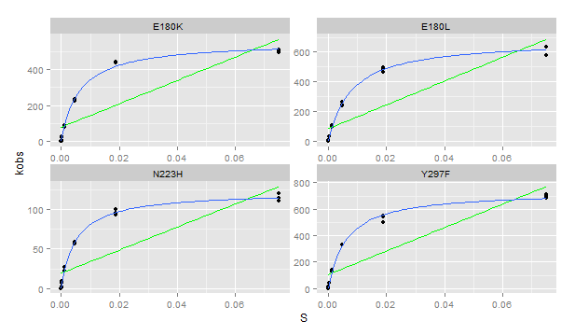
...

Plate 18
...
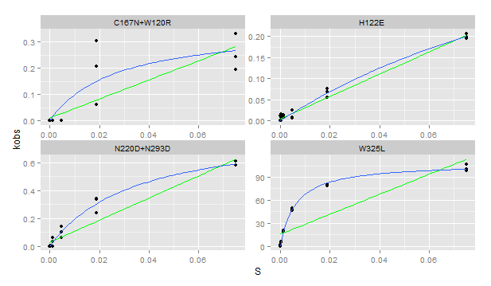
...

Plate 20
...
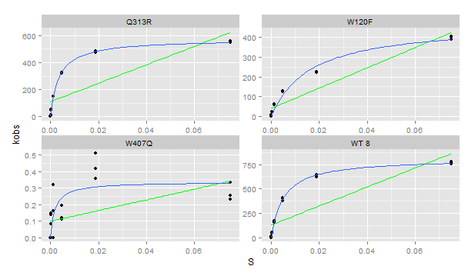
...

Plate 21
...
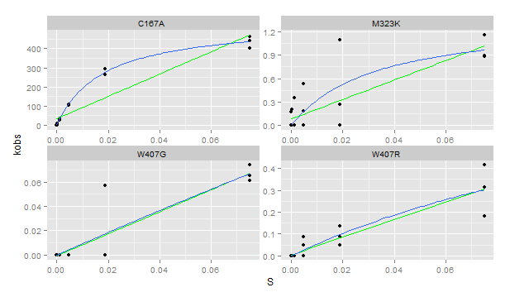
...

Plate 22
...
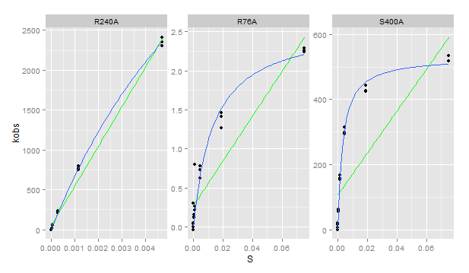
...

Plate 23
...
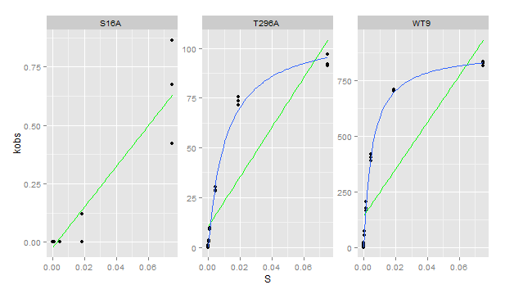
...

Plate 24
...
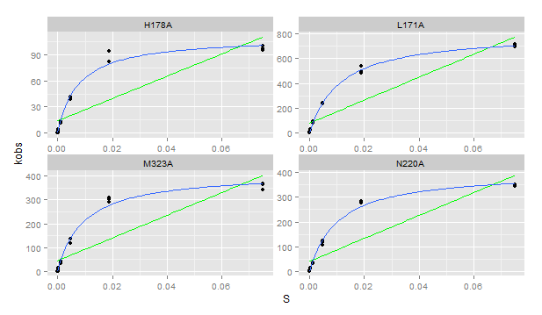
...

Plate 25
...
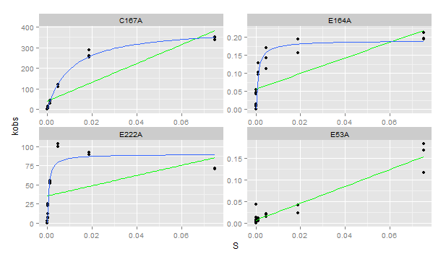
...

Plate 26
...
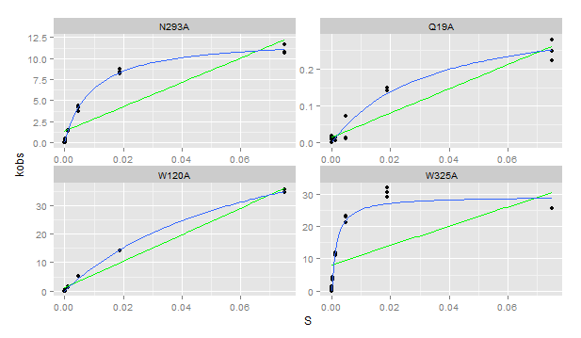
...

Plate 27
...
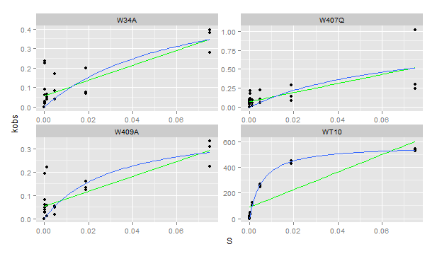
...

Plate 29
...
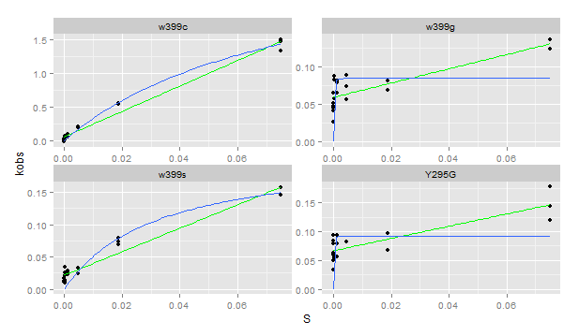
...

Plate 30
...
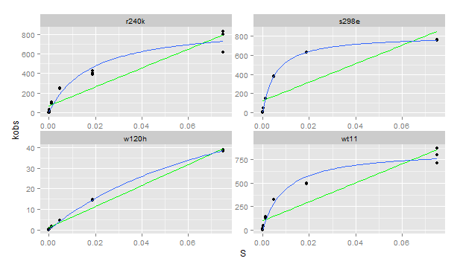
...

Plate 31
Vmax correction per [S]
4.81E-07
3.83E-07
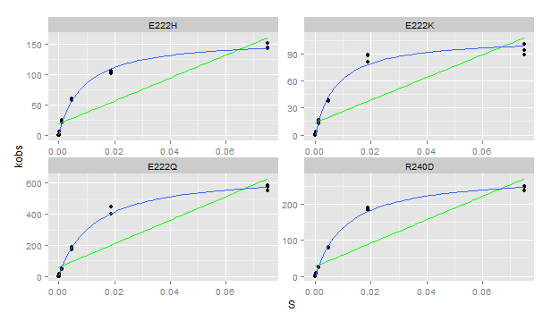
2.90E-07
2.78E-07
1.57E-07
4.12E-07
3.65E-07
4.26E-07
4.81E-07
3.83E-07
2.90E-07
2.78E-07
1.57E-07
4.12E-07
3.65E-07
4.26E-07
4.81E-07
3.83E-07
2.90E-07
2.78E-07
1.57E-07
4.12E-07
3.65E-07
4.26E-07
4.81E-07
3.83E-07
2.90E-07
2.78E-07
1.57E-07
4.12E-07
...

Plate 32
...
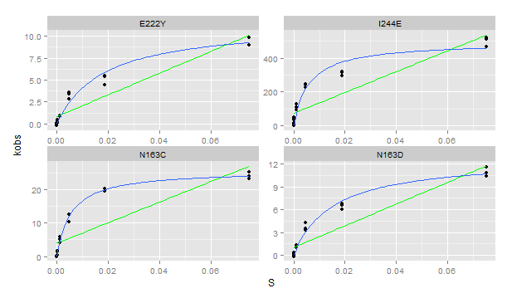
...

Plate 33
...
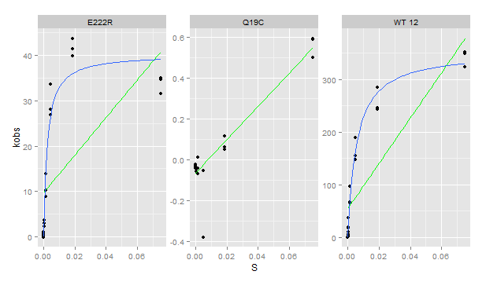
...

Example Cases
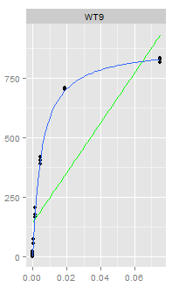
Linear
E406A*
H122E
W407R (re-do)
E53A
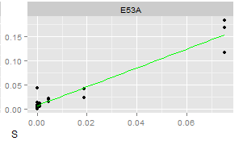
W407G (re-do)
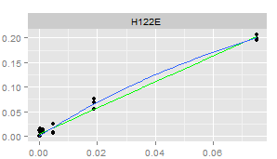
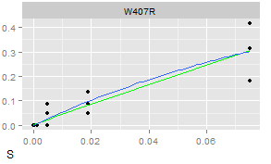
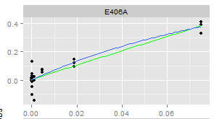

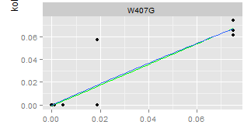
Borderline
F415A
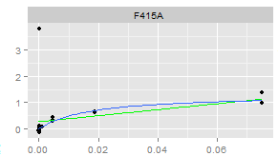

MM
WT9

